Step 1.2
Simulated Vo vs. Vsig of a Emitter Follower
Vsig | Vo | IE2
Volts | Volts | Amps
-5 | -4.683471 | 2.25E-09
-4.5 | -4.683226 | -3.15E-08
-4 | -4.478331 | -2.82E-05
-3.5 | -4.024668 | -9.12E-05
-3 | -3.545424 | -1.54E-04
-2.5 | -3.052513 | -1.85E-04
-2 | -2.552559 | -1.85E-04
-1.5 | -2.052577 | -1.85E-04
-1 | -1.552599 | -1.85E-04
-0.5 | -1.052621 | -1.85E-04
0 | -0.5526431 | -1.85E-04
0.5 | -0.052665 | -1.85E-04
1 | 0.447313 | -1.85E-04
1.5 | 0.9472911 | -1.85E-04
2 | 1.447269 | -1.85E-04
2.5 | 1.947247 | -1.85E-04
3 | 2.447225 | -1.85E-04
3.5 | 2.947203 | -1.85E-04
4 | 3.447181 | -1.85E-04
4.5 | 3.947159 | -1.85E-04
5 | 4.447137 | -1.85E-04

Step 1.3
Voltage Gain of a CC Amplifier
Frequency | vm(vo) | ph(v(vo)) | Av = 20*log(|Vo|/1mV)
Hz | Volts | deg | dB
100 | 1.00E-03 | -8.47E-05 | 0.00
102.30597298 | 1.00E-03 | -8.66E-05 | 0.00
104.66512108 | 1.00E-03 | -8.86E-05 | 0.00
107.0786705 | 1.00E-03 | -9.07E-05 | 0.00
109.54787571 | 1.00E-03 | -9.28E-05 | 0.00
112.07402013 | 1.00E-03 | -9.49E-05 | 0.00
114.65841676 | 1.00E-03 | -9.71E-05 | 0.00
117.30240887 | 1.00E-03 | -9.93E-05 | 0.00
120.00737073 | 1.00E-03 | -1.02E-04 | 0.00
122.77470828 | 1.00E-03 | -1.04E-04 | 0.00
125.60585988 | 1.00E-03 | -1.06E-04 | 0.00
128.50229708 | 1.00E-03 | -1.09E-04 | 0.00
131.46552533 | 1.00E-03 | -1.11E-04 | 0.00
134.49708483 | 1.00E-03 | -1.14E-04 | 0.00
137.59855127 | 1.00E-03 | -1.17E-04 | 0.00
140.77153669 | 1.00E-03 | -1.19E-04 | 0.00
144.0176903 | 1.00E-03 | -1.22E-04 | 0.00
147.33869933 | 1.00E-03 | -1.25E-04 | 0.00
150.73628993 | 1.00E-03 | -1.28E-04 | 0.00
154.21222805 | 1.00E-03 | -1.31E-04 | 0.00
157.76832037 | 1.00E-03 | -1.34E-04 | 0.00
161.40641522 | 1.00E-03 | -1.37E-04 | 0.00
165.12840355 | 1.00E-03 | -1.40E-04 | 0.00
168.93621992 | 1.00E-03 | -1.43E-04 | 0.00
172.83184351 | 1.00E-03 | -1.46E-04 | 0.00
176.81729913 | 1.00E-03 | -1.50E-04 | 0.00
180.89465828 | 1.00E-03 | -1.53E-04 | 0.00
185.06604023 | 1.00E-03 | -1.57E-04 | 0.00
189.33361312 | 1.00E-03 | -1.60E-04 | 0.00
193.69959509 | 1.00E-03 | -1.64E-04 | 0.00
198.16625542 | 1.00E-03 | -1.68E-04 | 0.00
202.73591574 | 1.00E-03 | -1.72E-04 | 0.00
207.41095118 | 1.00E-03 | -1.76E-04 | 0.00
212.19379168 | 1.00E-03 | -1.80E-04 | 0.00
217.0869232 | 1.00E-03 | -1.84E-04 | 0.00
222.092889 | 1.00E-03 | -1.88E-04 | 0.00
227.21429102 | 1.00E-03 | -1.92E-04 | 0.00
232.45379118 | 1.00E-03 | -1.97E-04 | 0.00
237.81411281 | 1.00E-03 | -2.01E-04 | 0.00
243.298042 | 1.00E-03 | -2.06E-04 | 0.00
248.90842912 | 1.00E-03 | -2.11E-04 | 0.00
254.64819025 | 1.00E-03 | -2.16E-04 | 0.00
260.52030873 | 1.00E-03 | -2.21E-04 | 0.00
266.52783666 | 1.00E-03 | -2.26E-04 | 0.00
272.67389657 | 1.00E-03 | -2.31E-04 | 0.00
278.96168296 | 1.00E-03 | -2.36E-04 | 0.00
285.39446401 | 1.00E-03 | -2.42E-04 | 0.00
291.97558325 | 1.00E-03 | -2.47E-04 | 0.00
298.70846132 | 1.00E-03 | -2.53E-04 | 0.00
305.59659774 | 1.00E-03 | -2.59E-04 | 0.00
312.64357272 | 1.00E-03 | -2.65E-04 | 0.00
319.85304905 | 1.00E-03 | -2.71E-04 | 0.00
327.22877395 | 1.00E-03 | -2.77E-04 | 0.00
334.77458107 | 1.00E-03 | -2.83E-04 | 0.00
342.49439247 | 1.00E-03 | -2.90E-04 | 0.00
350.39222063 | 1.00E-03 | -2.97E-04 | 0.00
358.47217058 | 1.00E-03 | -3.04E-04 | 0.00
366.73844199 | 1.00E-03 | -3.11E-04 | 0.00
375.19533138 | 1.00E-03 | -3.18E-04 | 0.00
383.84723436 | 1.00E-03 | -3.25E-04 | 0.00
392.69864789 | 1.00E-03 | -3.33E-04 | 0.00
401.75417262 | 1.00E-03 | -3.40E-04 | 0.00
411.0185153 | 1.00E-03 | -3.48E-04 | 0.00
420.49649122 | 1.00E-03 | -3.56E-04 | 0.00
430.19302671 | 1.00E-03 | -3.64E-04 | 0.00
440.11316169 | 1.00E-03 | -3.73E-04 | 0.00
450.2620523 | 1.00E-03 | -3.81E-04 | 0.00
460.64497358 | 1.00E-03 | -3.90E-04 | 0.00
471.26732222 | 1.00E-03 | -3.99E-04 | 0.00
482.13461936 | 1.00E-03 | -4.08E-04 | 0.00
493.25251343 | 1.00E-03 | -4.18E-04 | 0.00
504.62678313 | 1.00E-03 | -4.27E-04 | 0.00
516.26334042 | 1.00E-03 | -4.37E-04 | 0.00
528.16823358 | 1.00E-03 | -4.47E-04 | 0.00
540.34765036 | 1.00E-03 | -4.58E-04 | 0.00
552.8079212 | 1.00E-03 | -4.68E-04 | 0.00
565.55552251 | 1.00E-03 | -4.79E-04 | 0.00
578.59708007 | 1.00E-03 | -4.90E-04 | 0.00
591.93937243 | 1.00E-03 | -5.01E-04 | 0.00
605.58933444 | 1.00E-03 | -5.13E-04 | 0.00
619.55406089 | 1.00E-03 | -5.25E-04 | 0.00
633.84081015 | 1.00E-03 | -5.37E-04 | 0.00
648.457008 | 1.00E-03 | -5.49E-04 | 0.00
663.41025142 | 1.00E-03 | -5.62E-04 | 0.00
678.70831259 | 1.00E-03 | -5.75E-04 | 0.00
694.35914292 | 1.00E-03 | -5.88E-04 | 0.00
710.37087717 | 1.00E-03 | -6.02E-04 | 0.00
726.75183769 | 1.00E-03 | -6.15E-04 | 0.00
743.51053873 | 1.00E-03 | -6.30E-04 | 0.00
760.65569088 | 1.00E-03 | -6.44E-04 | 0.00
778.19620562 | 1.00E-03 | -6.59E-04 | 0.00
796.14119989 | 1.00E-03 | -6.74E-04 | 0.00
814.50000087 | 1.00E-03 | -6.90E-04 | 0.00
833.28215085 | 1.00E-03 | -7.06E-04 | 0.00
852.49741213 | 1.00E-03 | -7.22E-04 | 0.00
872.15577214 | 1.00E-03 | -7.39E-04 | 0.00
892.26744863 | 1.00E-03 | -7.56E-04 | 0.00
912.84289494 | 1.00E-03 | -7.73E-04 | 0.00
933.89280549 | 1.00E-03 | -7.91E-04 | 0.00
955.42812129 | 1.00E-03 | -8.09E-04 | 0.00
977.46003565 | 1.00E-03 | -8.28E-04 | 0.00
1000 | 1.00E-03 | -8.47E-04 | 0.00
1023.0597298 | 1.00E-03 | -8.66E-04 | 0.00
1046.6512108 | 1.00E-03 | -8.86E-04 | 0.00
1070.786705 | 1.00E-03 | -9.07E-04 | 0.00
1095.4787571 | 1.00E-03 | -9.28E-04 | 0.00
1120.7402013 | 1.00E-03 | -9.49E-04 | 0.00
1146.5841676 | 1.00E-03 | -9.71E-04 | 0.00
1173.0240887 | 1.00E-03 | -9.93E-04 | 0.00
1200.0737073 | 1.00E-03 | -1.02E-03 | 0.00
1227.7470828 | 1.00E-03 | -1.04E-03 | 0.00
1256.0585988 | 1.00E-03 | -1.06E-03 | 0.00
1285.0229708 | 1.00E-03 | -1.09E-03 | 0.00
1314.6552533 | 1.00E-03 | -1.11E-03 | 0.00
1344.9708483 | 1.00E-03 | -1.14E-03 | 0.00
1375.9855127 | 1.00E-03 | -1.17E-03 | 0.00
1407.7153669 | 1.00E-03 | -1.19E-03 | 0.00
1440.176903 | 1.00E-03 | -1.22E-03 | 0.00
1473.3869933 | 1.00E-03 | -1.25E-03 | 0.00
1507.3628993 | 1.00E-03 | -1.28E-03 | 0.00
1542.1222805 | 1.00E-03 | -1.31E-03 | 0.00
1577.6832037 | 1.00E-03 | -1.34E-03 | 0.00
1614.0641522 | 1.00E-03 | -1.37E-03 | 0.00
1651.2840355 | 1.00E-03 | -1.40E-03 | 0.00
1689.3621992 | 1.00E-03 | -1.43E-03 | 0.00
1728.3184351 | 1.00E-03 | -1.46E-03 | 0.00
1768.1729913 | 1.00E-03 | -1.50E-03 | 0.00
1808.9465828 | 1.00E-03 | -1.53E-03 | 0.00
1850.6604023 | 1.00E-03 | -1.57E-03 | 0.00
1893.3361312 | 1.00E-03 | -1.60E-03 | 0.00
1936.9959509 | 1.00E-03 | -1.64E-03 | 0.00
1981.6625542 | 1.00E-03 | -1.68E-03 | 0.00
2027.3591574 | 1.00E-03 | -1.72E-03 | 0.00
2074.1095118 | 1.00E-03 | -1.76E-03 | 0.00
2121.9379168 | 1.00E-03 | -1.80E-03 | 0.00
2170.869232 | 1.00E-03 | -1.84E-03 | 0.00
2220.92889 | 1.00E-03 | -1.88E-03 | 0.00
2272.1429102 | 1.00E-03 | -1.92E-03 | 0.00
2324.5379118 | 1.00E-03 | -1.97E-03 | 0.00
2378.1411281 | 1.00E-03 | -2.01E-03 | 0.00
2432.98042 | 1.00E-03 | -2.06E-03 | 0.00
2489.0842912 | 1.00E-03 | -2.11E-03 | 0.00
2546.4819025 | 1.00E-03 | -2.16E-03 | 0.00
2605.2030873 | 1.00E-03 | -2.21E-03 | 0.00
2665.2783666 | 1.00E-03 | -2.26E-03 | 0.00
2726.7389657 | 1.00E-03 | -2.31E-03 | 0.00
2789.6168296 | 1.00E-03 | -2.36E-03 | 0.00
2853.9446401 | 1.00E-03 | -2.42E-03 | 0.00
2919.7558325 | 1.00E-03 | -2.47E-03 | 0.00
2987.0846132 | 1.00E-03 | -2.53E-03 | 0.00
3055.9659774 | 1.00E-03 | -2.59E-03 | 0.00
3126.4357272 | 1.00E-03 | -2.65E-03 | 0.00
3198.5304905 | 1.00E-03 | -2.71E-03 | 0.00
3272.2877395 | 1.00E-03 | -2.77E-03 | 0.00
3347.7458107 | 1.00E-03 | -2.83E-03 | 0.00
3424.9439247 | 1.00E-03 | -2.90E-03 | 0.00
3503.9222063 | 1.00E-03 | -2.97E-03 | 0.00
3584.7217058 | 1.00E-03 | -3.04E-03 | 0.00
3667.3844199 | 1.00E-03 | -3.11E-03 | 0.00
3751.9533138 | 1.00E-03 | -3.18E-03 | 0.00
3838.4723436 | 1.00E-03 | -3.25E-03 | 0.00
3926.9864789 | 1.00E-03 | -3.33E-03 | 0.00
4017.5417262 | 1.00E-03 | -3.40E-03 | 0.00
4110.185153 | 1.00E-03 | -3.48E-03 | 0.00
4204.9649122 | 1.00E-03 | -3.56E-03 | 0.00
4301.9302671 | 1.00E-03 | -3.64E-03 | 0.00
4401.1316169 | 1.00E-03 | -3.73E-03 | 0.00
4502.620523 | 1.00E-03 | -3.81E-03 | 0.00
4606.4497358 | 1.00E-03 | -3.90E-03 | 0.00
4712.6732222 | 1.00E-03 | -3.99E-03 | 0.00
4821.3461936 | 1.00E-03 | -4.08E-03 | 0.00
4932.5251343 | 1.00E-03 | -4.18E-03 | 0.00
5046.2678313 | 1.00E-03 | -4.27E-03 | 0.00
5162.6334042 | 1.00E-03 | -4.37E-03 | 0.00
5281.6823358 | 1.00E-03 | -4.47E-03 | 0.00
5403.4765036 | 1.00E-03 | -4.58E-03 | 0.00
5528.079212 | 1.00E-03 | -4.68E-03 | 0.00
5655.5552251 | 1.00E-03 | -4.79E-03 | 0.00
5785.9708007 | 1.00E-03 | -4.90E-03 | 0.00
5919.3937243 | 1.00E-03 | -5.01E-03 | 0.00
6055.8933444 | 1.00E-03 | -5.13E-03 | 0.00
6195.5406089 | 1.00E-03 | -5.25E-03 | 0.00
6338.4081015 | 1.00E-03 | -5.37E-03 | 0.00
6484.57008 | 1.00E-03 | -5.49E-03 | 0.00
6634.1025142 | 1.00E-03 | -5.62E-03 | 0.00
6787.0831259 | 1.00E-03 | -5.75E-03 | 0.00
6943.5914292 | 1.00E-03 | -5.88E-03 | 0.00
7103.7087717 | 1.00E-03 | -6.02E-03 | 0.00
7267.5183769 | 1.00E-03 | -6.15E-03 | 0.00
7435.1053873 | 1.00E-03 | -6.30E-03 | 0.00
7606.5569088 | 1.00E-03 | -6.44E-03 | 0.00
7781.9620562 | 1.00E-03 | -6.59E-03 | 0.00
7961.4119989 | 1.00E-03 | -6.74E-03 | 0.00
8145.0000087 | 1.00E-03 | -6.90E-03 | 0.00
8332.8215085 | 1.00E-03 | -7.06E-03 | 0.00
8524.9741213 | 1.00E-03 | -7.22E-03 | 0.00
8721.5577214 | 1.00E-03 | -7.38E-03 | 0.00
8922.6744863 | 1.00E-03 | -7.56E-03 | 0.00
9128.4289494 | 1.00E-03 | -7.73E-03 | 0.00
9338.9280549 | 1.00E-03 | -7.91E-03 | 0.00
9554.2812129 | 1.00E-03 | -8.09E-03 | 0.00
9774.6003565 | 1.00E-03 | -8.28E-03 | 0.00
10000 | 1.00E-03 | -8.47E-03 | 0.00
10230.597298 | 1.00E-03 | -8.66E-03 | 0.00
10466.512108 | 1.00E-03 | -8.86E-03 | 0.00
10707.86705 | 1.00E-03 | -9.07E-03 | 0.00
10954.787571 | 1.00E-03 | -9.28E-03 | 0.00
11207.402013 | 1.00E-03 | -9.49E-03 | 0.00
11465.841676 | 1.00E-03 | -9.71E-03 | 0.00
11730.240887 | 1.00E-03 | -9.93E-03 | 0.00
12000.737073 | 1.00E-03 | -1.02E-02 | 0.00
12277.470828 | 1.00E-03 | -1.04E-02 | 0.00
12560.585988 | 1.00E-03 | -1.06E-02 | 0.00
12850.229708 | 1.00E-03 | -1.09E-02 | 0.00
13146.552533 | 1.00E-03 | -1.11E-02 | 0.00
13449.708483 | 1.00E-03 | -1.14E-02 | 0.00
13759.855127 | 1.00E-03 | -1.17E-02 | 0.00
14077.153669 | 1.00E-03 | -1.19E-02 | 0.00
14401.76903 | 1.00E-03 | -1.22E-02 | 0.00
14733.869933 | 1.00E-03 | -1.25E-02 | 0.00
15073.628993 | 1.00E-03 | -1.28E-02 | 0.00
15421.222805 | 1.00E-03 | -1.31E-02 | 0.00
15776.832037 | 1.00E-03 | -1.34E-02 | 0.00
16140.641522 | 1.00E-03 | -1.37E-02 | 0.00
16512.840355 | 1.00E-03 | -1.40E-02 | 0.00
16893.621992 | 1.00E-03 | -1.43E-02 | 0.00
17283.184351 | 1.00E-03 | -1.46E-02 | 0.00
17681.729913 | 1.00E-03 | -1.50E-02 | 0.00
18089.465828 | 1.00E-03 | -1.53E-02 | 0.00
18506.604023 | 1.00E-03 | -1.57E-02 | 0.00
18933.361312 | 1.00E-03 | -1.60E-02 | 0.00
19369.959509 | 1.00E-03 | -1.64E-02 | 0.00
19816.625542 | 1.00E-03 | -1.68E-02 | 0.00
20273.591574 | 1.00E-03 | -1.72E-02 | 0.00
20741.095118 | 1.00E-03 | -1.76E-02 | 0.00
21219.379168 | 1.00E-03 | -1.80E-02 | 0.00
21708.69232 | 1.00E-03 | -1.84E-02 | 0.00
22209.2889 | 1.00E-03 | -1.88E-02 | 0.00
22721.429102 | 1.00E-03 | -1.92E-02 | 0.00
23245.379118 | 1.00E-03 | -1.97E-02 | 0.00
23781.411281 | 1.00E-03 | -2.01E-02 | 0.00
24329.8042 | 1.00E-03 | -2.06E-02 | 0.00
24890.842912 | 1.00E-03 | -2.11E-02 | 0.00
25464.819025 | 1.00E-03 | -2.16E-02 | 0.00
26052.030873 | 1.00E-03 | -2.21E-02 | 0.00
26652.783666 | 1.00E-03 | -2.26E-02 | 0.00
27267.389657 | 1.00E-03 | -2.31E-02 | 0.00
27896.168296 | 1.00E-03 | -2.36E-02 | 0.00
28539.446401 | 1.00E-03 | -2.42E-02 | 0.00
29197.558325 | 1.00E-03 | -2.47E-02 | 0.00
29870.846132 | 1.00E-03 | -2.53E-02 | 0.00
30559.659774 | 1.00E-03 | -2.59E-02 | 0.00
31264.357272 | 1.00E-03 | -2.65E-02 | 0.00
31985.304905 | 1.00E-03 | -2.71E-02 | 0.00
32722.877395 | 1.00E-03 | -2.77E-02 | 0.00
33477.458107 | 1.00E-03 | -2.83E-02 | 0.00
34249.439247 | 1.00E-03 | -2.90E-02 | 0.00
35039.222063 | 1.00E-03 | -2.97E-02 | 0.00
35847.217058 | 1.00E-03 | -3.03E-02 | 0.00
36673.844199 | 1.00E-03 | -3.10E-02 | 0.00
37519.533138 | 1.00E-03 | -3.18E-02 | 0.00
38384.723436 | 1.00E-03 | -3.25E-02 | 0.00
39269.864789 | 1.00E-03 | -3.32E-02 | 0.00
40175.417262 | 1.00E-03 | -3.40E-02 | 0.00
41101.85153 | 1.00E-03 | -3.48E-02 | 0.00
42049.649122 | 1.00E-03 | -3.56E-02 | 0.00
43019.302671 | 1.00E-03 | -3.64E-02 | 0.00
44011.316169 | 1.00E-03 | -3.72E-02 | 0.00
45026.20523 | 1.00E-03 | -3.81E-02 | 0.00
46064.497358 | 1.00E-03 | -3.90E-02 | 0.00
47126.732222 | 1.00E-03 | -3.99E-02 | 0.00
48213.461936 | 1.00E-03 | -4.08E-02 | 0.00
49325.251343 | 1.00E-03 | -4.17E-02 | 0.00
50462.678313 | 1.00E-03 | -4.27E-02 | 0.00
51626.334042 | 1.00E-03 | -4.37E-02 | 0.00
52816.823358 | 1.00E-03 | -4.47E-02 | 0.00
54034.765036 | 1.00E-03 | -4.57E-02 | 0.00
55280.79212 | 1.00E-03 | -4.68E-02 | 0.00
56555.552251 | 1.00E-03 | -4.78E-02 | 0.00
57859.708007 | 1.00E-03 | -4.89E-02 | 0.00
59193.937243 | 1.00E-03 | -5.01E-02 | 0.00
60558.933444 | 1.00E-03 | -5.12E-02 | 0.00
61955.406089 | 1.00E-03 | -5.24E-02 | 0.00
63384.081015 | 1.00E-03 | -5.36E-02 | 0.00
64845.7008 | 1.00E-03 | -5.48E-02 | 0.00
66341.025142 | 1.00E-03 | -5.61E-02 | 0.00
67870.831259 | 1.00E-03 | -5.74E-02 | 0.00
69435.914292 | 1.00E-03 | -5.87E-02 | 0.00
71037.087717 | 1.00E-03 | -6.01E-02 | 0.00
72675.183769 | 1.00E-03 | -6.15E-02 | 0.00
74351.053873 | 1.00E-03 | -6.29E-02 | 0.00
76065.569088 | 1.00E-03 | -6.43E-02 | 0.00
77819.620562 | 1.00E-03 | -6.58E-02 | 0.00
79614.119989 | 1.00E-03 | -6.73E-02 | 0.00
81450.000087 | 1.00E-03 | -6.88E-02 | 0.00
83328.215085 | 1.00E-03 | -7.04E-02 | 0.00
85249.741213 | 1.00E-03 | -7.20E-02 | 0.00
87215.577214 | 1.00E-03 | -7.37E-02 | 0.00
89226.744863 | 1.00E-03 | -7.54E-02 | 0.00
91284.289494 | 1.00E-03 | -7.71E-02 | 0.00
93389.280549 | 1.00E-03 | -7.89E-02 | 0.00
95542.812129 | 1.00E-03 | -8.07E-02 | 0.00
97746.003565 | 1.00E-03 | -8.26E-02 | 0.00
100000 | 1.00E-03 | -8.44E-02 | 0.00
102305.97298 | 1.00E-03 | -8.64E-02 | 0.00
104665.12108 | 1.00E-03 | -8.84E-02 | 0.00
107078.6705 | 1.00E-03 | -9.04E-02 | 0.00
109547.87571 | 1.00E-03 | -9.25E-02 | 0.00
112074.02013 | 1.00E-03 | -9.46E-02 | 0.00
114658.41676 | 1.00E-03 | -9.67E-02 | 0.00
117302.40887 | 1.00E-03 | -9.90E-02 | 0.00
120007.37073 | 1.00E-03 | -1.01E-01 | 0.00
122774.70828 | 1.00E-03 | -1.04E-01 | 0.00
125605.85988 | 1.00E-03 | -1.06E-01 | 0.00
128502.29708 | 1.00E-03 | -1.08E-01 | 0.00
131465.52533 | 1.00E-03 | -1.11E-01 | 0.00
134497.08483 | 1.00E-03 | -1.13E-01 | 0.00
137598.55127 | 1.00E-03 | -1.16E-01 | 0.00
140771.53669 | 1.00E-03 | -1.19E-01 | 0.00
144017.6903 | 1.00E-03 | -1.21E-01 | 0.00
147338.69933 | 1.00E-03 | -1.24E-01 | 0.00
150736.28993 | 1.00E-03 | -1.27E-01 | 0.00
154212.22805 | 1.00E-03 | -1.30E-01 | 0.00
157768.32037 | 1.00E-03 | -1.33E-01 | 0.00
161406.41522 | 1.00E-03 | -1.36E-01 | 0.00
165128.40355 | 1.00E-03 | -1.39E-01 | 0.00
168936.21992 | 1.00E-03 | -1.42E-01 | 0.00
172831.84351 | 1.00E-03 | -1.45E-01 | 0.00
176817.29913 | 1.00E-03 | -1.48E-01 | 0.00
180894.65828 | 1.00E-03 | -1.52E-01 | 0.00
185066.04023 | 1.00E-03 | -1.55E-01 | 0.00
189333.61312 | 1.00E-03 | -1.59E-01 | 0.00
193699.59509 | 1.00E-03 | -1.62E-01 | 0.00
198166.25542 | 1.00E-03 | -1.66E-01 | 0.00
202735.91574 | 1.00E-03 | -1.70E-01 | 0.00
207410.95118 | 1.00E-03 | -1.74E-01 | 0.00
212193.79168 | 1.00E-03 | -1.78E-01 | 0.00
217086.9232 | 1.00E-03 | -1.81E-01 | 0.00
222092.889 | 1.00E-03 | -1.86E-01 | 0.00
227214.29102 | 1.00E-03 | -1.90E-01 | 0.00
232453.79118 | 1.00E-03 | -1.94E-01 | 0.00
237814.11281 | 1.00E-03 | -1.98E-01 | 0.00
243298.042 | 9.99E-04 | -2.03E-01 | 0.00
248908.42912 | 9.99E-04 | -2.07E-01 | 0.00
254648.19025 | 9.99E-04 | -2.12E-01 | 0.00
260520.30873 | 9.99E-04 | -2.17E-01 | 0.00
266527.83666 | 9.99E-04 | -2.21E-01 | -0.01
272673.89657 | 9.99E-04 | -2.26E-01 | -0.01
278961.68296 | 9.99E-04 | -2.31E-01 | -0.01
285394.46401 | 9.99E-04 | -2.36E-01 | -0.01
291975.58325 | 9.99E-04 | -2.42E-01 | -0.01
298708.46132 | 9.99E-04 | -2.47E-01 | -0.01
305596.59774 | 9.99E-04 | -2.52E-01 | -0.01
312643.57272 | 9.99E-04 | -2.58E-01 | -0.01
319853.04905 | 9.99E-04 | -2.64E-01 | -0.01
327228.77395 | 9.99E-04 | -2.69E-01 | -0.01
334774.58107 | 9.99E-04 | -2.75E-01 | -0.01
342494.39247 | 9.99E-04 | -2.81E-01 | -0.01
350392.22063 | 9.99E-04 | -2.87E-01 | -0.01
358472.17058 | 9.99E-04 | -2.93E-01 | -0.01
366738.44199 | 9.99E-04 | -3.00E-01 | -0.01
375195.33138 | 9.99E-04 | -3.06E-01 | -0.01
383847.23436 | 9.99E-04 | -3.13E-01 | -0.01
392698.64789 | 9.99E-04 | -3.19E-01 | -0.01
401754.17262 | 9.99E-04 | -3.26E-01 | -0.01
411018.5153 | 9.99E-04 | -3.33E-01 | -0.01
420496.49122 | 9.99E-04 | -3.40E-01 | -0.01
430193.02671 | 9.99E-04 | -3.47E-01 | -0.01
440113.16169 | 9.99E-04 | -3.54E-01 | -0.01
450262.0523 | 9.98E-04 | -3.61E-01 | -0.01
460644.97358 | 9.98E-04 | -3.69E-01 | -0.01
471267.32222 | 9.98E-04 | -3.76E-01 | -0.01
482134.61936 | 9.98E-04 | -3.84E-01 | -0.02
493252.51343 | 9.98E-04 | -3.92E-01 | -0.02
504626.78313 | 9.98E-04 | -4.00E-01 | -0.02
516263.34042 | 9.98E-04 | -4.08E-01 | -0.02
528168.23358 | 9.98E-04 | -4.16E-01 | -0.02
540347.65036 | 9.98E-04 | -4.24E-01 | -0.02
552807.9212 | 9.98E-04 | -4.32E-01 | -0.02
565555.52251 | 9.98E-04 | -4.41E-01 | -0.02
578597.08007 | 9.98E-04 | -4.49E-01 | -0.02
591939.37243 | 9.97E-04 | -4.58E-01 | -0.02
605589.33444 | 9.97E-04 | -4.66E-01 | -0.02
619554.06089 | 9.97E-04 | -4.75E-01 | -0.02
633840.81015 | 9.97E-04 | -4.84E-01 | -0.03
648457.008 | 9.97E-04 | -4.93E-01 | -0.03
663410.25142 | 9.97E-04 | -5.02E-01 | -0.03
678708.31259 | 9.97E-04 | -5.11E-01 | -0.03
694359.14292 | 9.97E-04 | -5.20E-01 | -0.03
710370.87717 | 9.96E-04 | -5.29E-01 | -0.03
726751.83769 | 9.96E-04 | -5.38E-01 | -0.03
743510.53873 | 9.96E-04 | -5.47E-01 | -0.03
760655.69088 | 9.96E-04 | -5.56E-01 | -0.03
778196.20562 | 9.96E-04 | -5.66E-01 | -0.04
796141.19989 | 9.96E-04 | -5.75E-01 | -0.04
814500.00087 | 9.96E-04 | -5.84E-01 | -0.04
833282.15085 | 9.95E-04 | -5.93E-01 | -0.04
852497.41213 | 9.95E-04 | -6.03E-01 | -0.04
872155.77214 | 9.95E-04 | -6.12E-01 | -0.04
892267.44863 | 9.95E-04 | -6.21E-01 | -0.05
912842.89494 | 9.95E-04 | -6.30E-01 | -0.05
933892.80549 | 9.94E-04 | -6.39E-01 | -0.05
955428.12129 | 9.94E-04 | -6.48E-01 | -0.05
977460.03565 | 9.94E-04 | -6.57E-01 | -0.05
1000000 | 9.94E-04 | -6.65E-01 | -0.05

Step 1.6
Measured Vo vs. Vsig of a Emitter Follower
Vsig (W1) | Vsig (CH1) | Vo (CH2)
Volts | Volts | Volts
-5 | -4.9958 | -4.6086
-4.5 | -4.497 | -4.609
-4 | -3.9964 | -4.538
-3.5 | -3.4952 | -4.09
-3 | -2.9946 | -3.6068
-2.5 | -2.497 | -3.113
-2 | -1.998 | -2.613
-1.5 | -1.4946 | -2.113
-1 | -0.995 | -1.613
-0.5 | -0.495 | -1.1118
0 | 0.006 | -0.613
0.5 | 0.507 | -0.113
1 | 1.008 | 0.387
1.5 | 1.509 | 0.887
2 | 2.007 | 1.387
2.5 | 2.508 | 1.888
3 | 3.006 | 2.3872
3.5 | 3.5064 | 2.888
4 | 4.005 | 3.3878
4.5 | 4.506 | 3.887
5 | 5.004 | 4.384

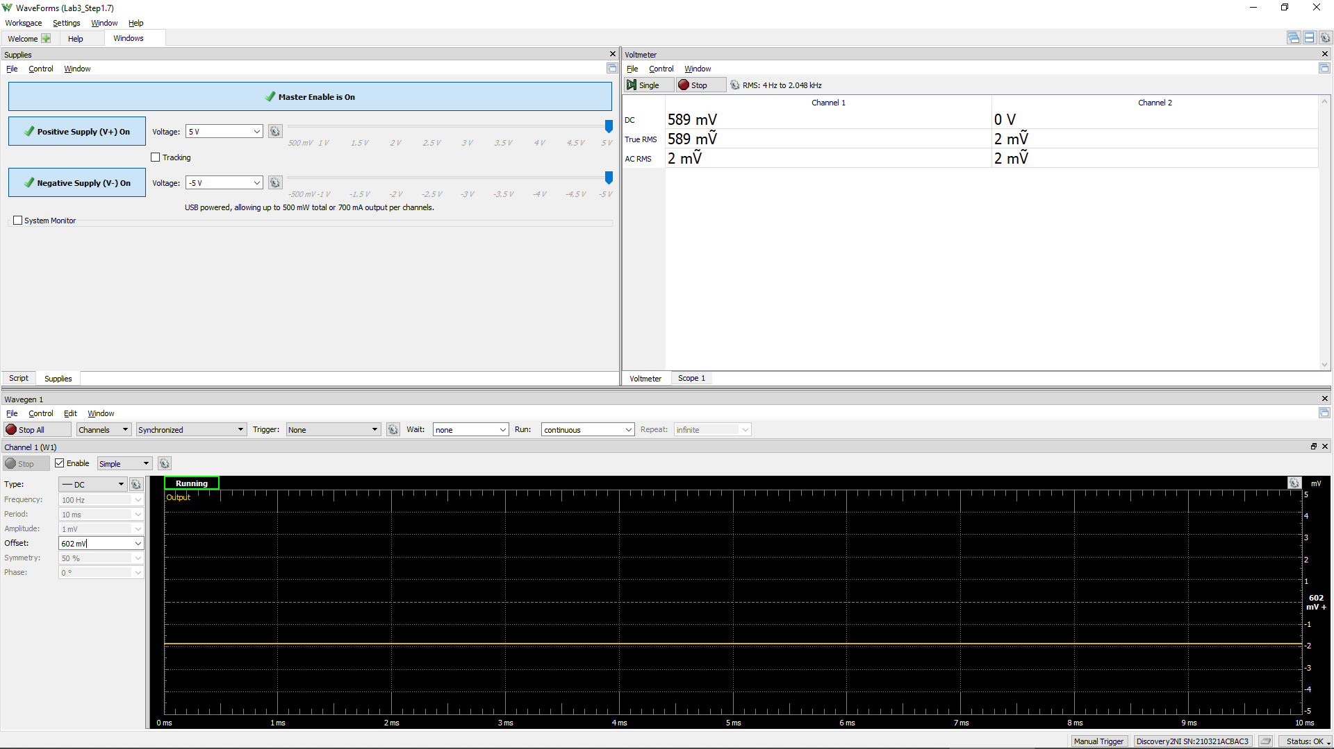

 |  | -5 | -4.5 | -4 | -3.5 | -3 | -2.5 | -2 | -1.5 | -1 | -0.5 | 0 | 0.5 | 1 | 1.5 | 2 | 2.5 | 3 | 3.5 | 4 | 4.5 | 5
 |  | -4.9958 | -4.497 | -3.9964 | -3.4952 | -2.9946 | -2.497 | -1.998 | -1.4946 | -0.995 | -0.495 | 0.006 | 0.507 | 1.008 | 1.509 | 2.007 | 2.508 | 3.006 | 3.5064 | 4.005 | 4.506 | 5.004
 |  | -4.6086 | -4.609 | -4.538 | -4.09 | -3.6068 | -3.113 | -2.613 | -2.113 | -1.613 | -1.1118 | -0.613 | -0.113 | 0.387 | 0.887 | 1.387 | 1.888 | 2.3872 | 2.888 | 3.3878 | 3.887 | 4.384

 |  | -5 | -4.5 | -4 | -3.5 | -3 | -2.5 | -2 | -1.5 | -1 | -0.5 | 0 | 0.5 | 1 | 1.5 | 2 | 2.5 | 3 | 3.5 | 4 | 4.5 | 5
 |  | -5.008 | -4.509 | -4.008 | -3.5062 | -3.005 | -2.5052 | -2.007 | -1.505 | -1.004 | -0.503 | -0.002 | 0.499 | 1.0008 | 1.5008 | 2 | 2.4988 | 2.999 | 3.5 | 3.9994 | 4.499 | 4.9968
 |  | -0.1112 | -0.4674 | -0.0044 | -0.0042 | -0.0044 | -0.004 | -0.004 | -0.0034 | -0.0036 | -0.0038 | -0.004 | 0.069 | 0.5208 | 1.0044 | 1.4956 | 1.988 | 2.481 | 2.9772 | 3.474 | 3.9718 | 4.4676

 |  |  |  | -5 | -5.008 | -0.1112
 |  |  |  | -4.5 | -4.509 | -0.4674 |  |  | -5 | -4.9958 | -4.6086
 |  |  |  | -4 | -4.008 | -0.0044 |  |  | -4.5 | -4.497 | -4.609
 |  |  |  | -3.5 | -3.5062 | -0.0042 |  |  | -4 | -3.9964 | -4.538
 |  |  |  | -3 | -3.005 | -0.0044 |  |  | -3.5 | -3.4952 | -4.09
 |  |  |  | -2.5 | -2.5052 | -0.004 |  |  | -3 | -2.9946 | -3.6068
 |  |  |  | -2 | -2.007 | -0.004 |  |  | -2.5 | -2.497 | -3.113
 |  |  |  | -1.5 | -1.505 | -0.0034 |  |  | -2 | -1.998 | -2.613
 |  |  |  | -1 | -1.004 | -0.0036 |  |  | -1.5 | -1.4946 | -2.113
 |  |  |  | -0.5 | -0.503 | -0.0038 |  |  | -1 | -0.995 | -1.613
 |  |  |  | 0 | -0.002 | -0.004 |  |  | -0.5 | -0.495 | -1.1118
 |  |  |  | 0.5 | 0.499 | 0.069 |  |  | 0 | 0.006 | -0.613
 |  |  |  | 1 | 1.0008 | 0.5208 |  |  | 0.5 | 0.507 | -0.113
 |  |  |  | 1.5 | 1.5008 | 1.0044 |  |  | 1 | 1.008 | 0.387
 |  |  |  | 2 | 2 | 1.4956 |  |  | 1.5 | 1.509 | 0.887
 |  |  |  | 2.5 | 2.4988 | 1.988 |  |  | 2 | 2.007 | 1.387
 |  |  |  | 3 | 2.999 | 2.481 |  |  | 2.5 | 2.508 | 1.888
 |  |  |  | 3.5 | 3.5 | 2.9772 |  |  | 3 | 3.006 | 2.3872
 |  |  |  | 4 | 3.9994 | 3.474 |  |  | 3.5 | 3.5064 | 2.888
 |  |  |  | 4.5 | 4.499 | 3.9718 |  |  | 4 | 4.005 | 3.3878
 |  |  |  | 5 | 4.9968 | 4.4676 |  |  | 4.5 | 4.506 | 3.887
 |  |  |  |  |  |  |  |  | 5 | 5.004 | 4.384

Step 1.8
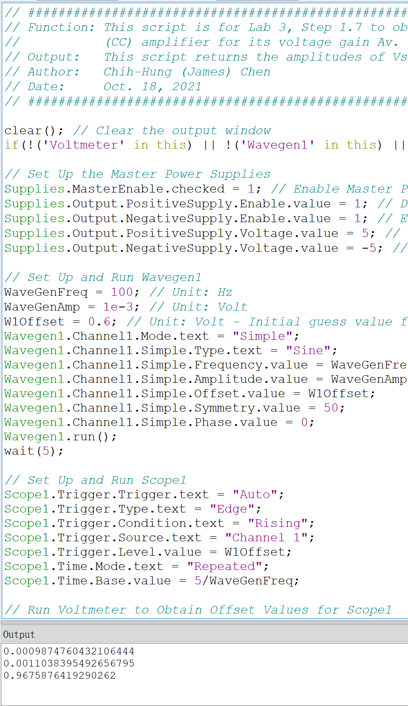
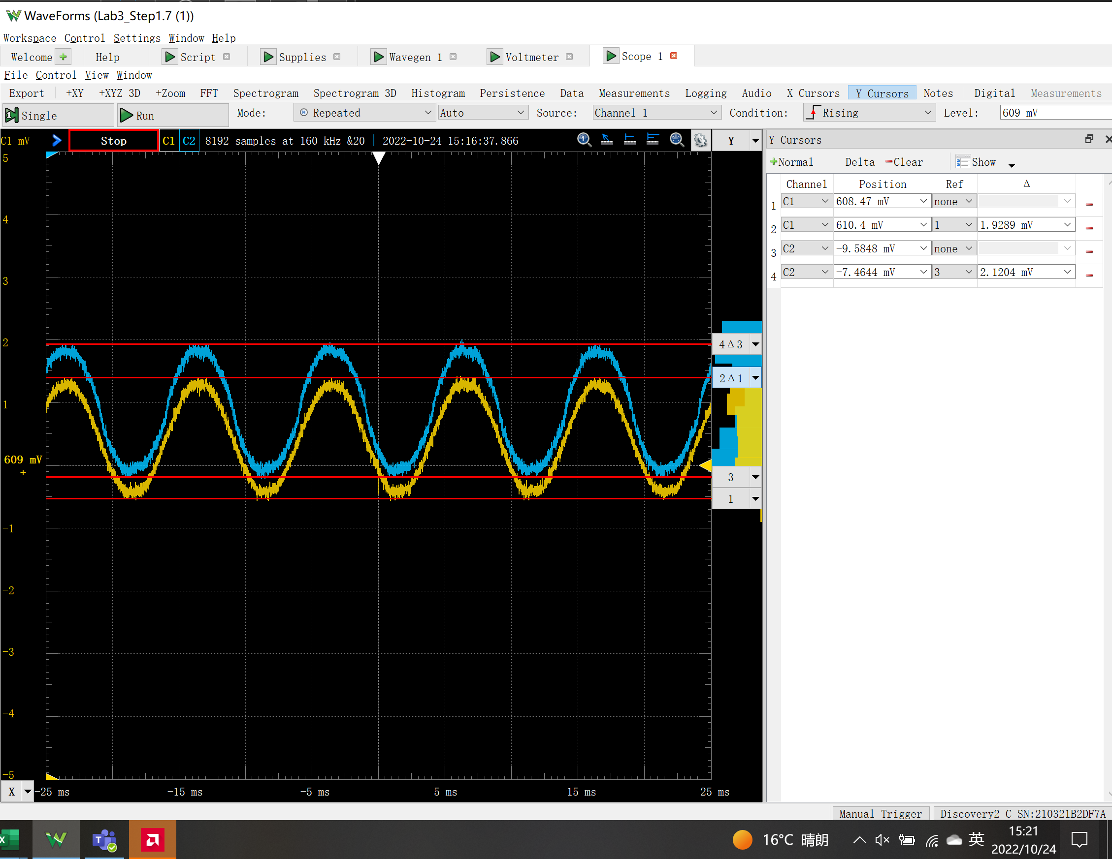
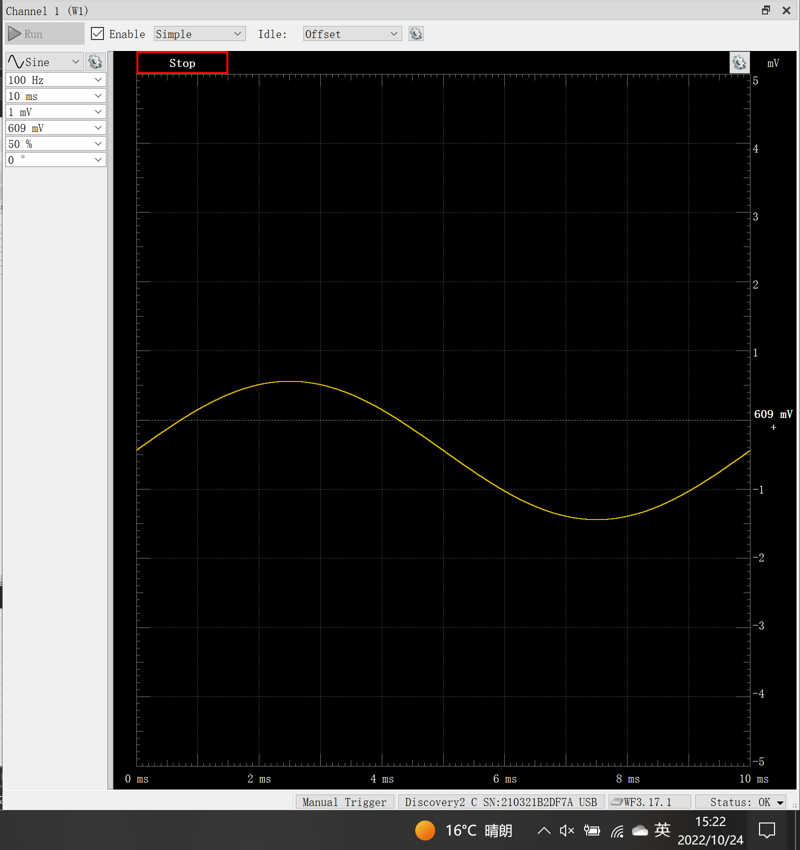
DC1 (V) = Vsig(Peak2Peak) | DC2 (V) = Vo(Peak2Peak) | Voltage Gain Av (dB)
1.93E-03 | 2.12E-03 | 0.8

Step 2.2
IREF and Io Relationship
IREF | Io | Vin | Vo | VEC(Q1) = VEB(Q1) | VEC(Q2)
Amps | Amps | Volts | Volts | Volts | Volts
1.00E-04 | 1.04E-04 | 4.42 | -3.96 | 0.58 | 8.96
1.10E-04 | 1.14E-04 | 4.42 | -3.86 | 0.58 | 8.86
1.20E-04 | 1.25E-04 | 4.42 | -3.75 | 0.58 | 8.75
1.30E-04 | 1.35E-04 | 4.41 | -3.65 | 0.59 | 8.65
1.40E-04 | 1.45E-04 | 4.41 | -3.55 | 0.59 | 8.55
1.50E-04 | 1.55E-04 | 4.41 | -3.45 | 0.59 | 8.45
1.60E-04 | 1.66E-04 | 4.41 | -3.34 | 0.59 | 8.34
1.70E-04 | 1.76E-04 | 4.40 | -3.24 | 0.60 | 8.24
1.80E-04 | 1.86E-04 | 4.40 | -3.14 | 0.60 | 8.14
1.90E-04 | 1.96E-04 | 4.40 | -3.04 | 0.60 | 8.04
2.00E-04 | 2.07E-04 | 4.40 | -2.93 | 0.60 | 7.93
2.10E-04 | 2.17E-04 | 4.40 | -2.83 | 0.60 | 7.83
2.20E-04 | 2.27E-04 | 4.40 | -2.73 | 0.60 | 7.73
2.30E-04 | 2.37E-04 | 4.39 | -2.63 | 0.61 | 7.63
2.40E-04 | 2.47E-04 | 4.39 | -2.53 | 0.61 | 7.53
2.50E-04 | 2.57E-04 | 4.39 | -2.43 | 0.61 | 7.43
2.60E-04 | 2.68E-04 | 4.39 | -2.32 | 0.61 | 7.32
2.70E-04 | 2.78E-04 | 4.39 | -2.22 | 0.61 | 7.22
2.80E-04 | 2.88E-04 | 4.39 | -2.12 | 0.61 | 7.12
2.90E-04 | 2.98E-04 | 4.39 | -2.02 | 0.61 | 7.02
3.00E-04 | 3.08E-04 | 4.38 | -1.92 | 0.62 | 6.92
3.10E-04 | 3.18E-04 | 4.38 | -1.82 | 0.62 | 6.82
3.20E-04 | 3.28E-04 | 4.38 | -1.72 | 0.62 | 6.72
3.30E-04 | 3.38E-04 | 4.38 | -1.62 | 0.62 | 6.62
3.40E-04 | 3.48E-04 | 4.38 | -1.52 | 0.62 | 6.52
3.50E-04 | 3.58E-04 | 4.38 | -1.42 | 0.62 | 6.42
3.60E-04 | 3.68E-04 | 4.38 | -1.32 | 0.62 | 6.32
3.70E-04 | 3.78E-04 | 4.38 | -1.22 | 0.62 | 6.22
3.80E-04 | 3.88E-04 | 4.38 | -1.12 | 0.62 | 6.12
3.90E-04 | 3.98E-04 | 4.37 | -1.02 | 0.63 | 6.02
4.00E-04 | 4.08E-04 | 4.37 | -0.92 | 0.63 | 5.92
4.10E-04 | 4.18E-04 | 4.37 | -0.82 | 0.63 | 5.82
4.20E-04 | 4.28E-04 | 4.37 | -0.72 | 0.63 | 5.72
4.30E-04 | 4.38E-04 | 4.37 | -0.62 | 0.63 | 5.62
4.40E-04 | 4.48E-04 | 4.37 | -0.52 | 0.63 | 5.52
4.50E-04 | 4.58E-04 | 4.37 | -0.42 | 0.63 | 5.42
4.60E-04 | 4.67E-04 | 4.37 | -0.33 | 0.63 | 5.33
4.70E-04 | 4.77E-04 | 4.37 | -0.23 | 0.63 | 5.23
4.80E-04 | 4.87E-04 | 4.37 | -0.13 | 0.63 | 5.13
4.90E-04 | 4.97E-04 | 4.37 | -0.03 | 0.63 | 5.03
5.00E-04 | 5.07E-04 | 4.37 | 0.07 | 0.63 | 4.93
5.10E-04 | 5.16E-04 | 4.37 | 0.16 | 0.63 | 4.84
5.20E-04 | 5.26E-04 | 4.36 | 0.26 | 0.64 | 4.74
5.30E-04 | 5.36E-04 | 4.36 | 0.36 | 0.64 | 4.64
5.40E-04 | 5.46E-04 | 4.36 | 0.46 | 0.64 | 4.54
5.50E-04 | 5.56E-04 | 4.36 | 0.56 | 0.64 | 4.44
5.60E-04 | 5.65E-04 | 4.36 | 0.65 | 0.64 | 4.35
5.70E-04 | 5.75E-04 | 4.36 | 0.75 | 0.64 | 4.25
5.80E-04 | 5.85E-04 | 4.36 | 0.85 | 0.64 | 4.15
5.90E-04 | 5.94E-04 | 4.36 | 0.94 | 0.64 | 4.06
6.00E-04 | 6.04E-04 | 4.36 | 1.04 | 0.64 | 3.96
6.10E-04 | 6.14E-04 | 4.36 | 1.14 | 0.64 | 3.86
6.20E-04 | 6.23E-04 | 4.36 | 1.23 | 0.64 | 3.77
6.30E-04 | 6.33E-04 | 4.36 | 1.33 | 0.64 | 3.67
6.40E-04 | 6.43E-04 | 4.36 | 1.43 | 0.64 | 3.57
6.50E-04 | 6.52E-04 | 4.36 | 1.52 | 0.64 | 3.48
6.60E-04 | 6.62E-04 | 4.36 | 1.62 | 0.64 | 3.38
6.70E-04 | 6.71E-04 | 4.36 | 1.71 | 0.64 | 3.29
6.80E-04 | 6.81E-04 | 4.36 | 1.81 | 0.64 | 3.19
6.90E-04 | 6.91E-04 | 4.35 | 1.91 | 0.65 | 3.09
7.00E-04 | 7.00E-04 | 4.35 | 2.00 | 0.65 | 3.00
7.10E-04 | 7.10E-04 | 4.35 | 2.10 | 0.65 | 2.90
7.20E-04 | 7.19E-04 | 4.35 | 2.19 | 0.65 | 2.81
7.30E-04 | 7.29E-04 | 4.35 | 2.29 | 0.65 | 2.71
7.40E-04 | 7.38E-04 | 4.35 | 2.38 | 0.65 | 2.62
7.50E-04 | 7.48E-04 | 4.35 | 2.48 | 0.65 | 2.52
7.60E-04 | 7.57E-04 | 4.35 | 2.57 | 0.65 | 2.43
7.70E-04 | 7.67E-04 | 4.35 | 2.67 | 0.65 | 2.33
7.80E-04 | 7.76E-04 | 4.35 | 2.76 | 0.65 | 2.24
7.90E-04 | 7.85E-04 | 4.35 | 2.85 | 0.65 | 2.15
8.00E-04 | 7.95E-04 | 4.35 | 2.95 | 0.65 | 2.05
8.10E-04 | 8.04E-04 | 4.35 | 3.04 | 0.65 | 1.96
8.20E-04 | 8.14E-04 | 4.35 | 3.14 | 0.65 | 1.86
8.30E-04 | 8.23E-04 | 4.35 | 3.23 | 0.65 | 1.77
8.40E-04 | 8.32E-04 | 4.35 | 3.32 | 0.65 | 1.68
8.50E-04 | 8.42E-04 | 4.35 | 3.42 | 0.65 | 1.58
8.60E-04 | 8.51E-04 | 4.35 | 3.51 | 0.65 | 1.49
8.70E-04 | 8.60E-04 | 4.35 | 3.60 | 0.65 | 1.40
8.80E-04 | 8.70E-04 | 4.35 | 3.70 | 0.65 | 1.30
8.90E-04 | 8.79E-04 | 4.35 | 3.79 | 0.65 | 1.21
9.00E-04 | 8.88E-04 | 4.34 | 3.88 | 0.66 | 1.12
9.10E-04 | 8.98E-04 | 4.34 | 3.98 | 0.66 | 1.02
9.20E-04 | 9.07E-04 | 4.34 | 4.07 | 0.66 | 0.93
9.30E-04 | 9.16E-04 | 4.34 | 4.16 | 0.66 | 0.84
9.40E-04 | 9.25E-04 | 4.34 | 4.25 | 0.66 | 0.75
9.50E-04 | 9.35E-04 | 4.34 | 4.35 | 0.66 | 0.65
9.60E-04 | 9.44E-04 | 4.34 | 4.44 | 0.66 | 0.56
9.70E-04 | 9.53E-04 | 4.34 | 4.53 | 0.66 | 0.47
9.80E-04 | 9.62E-04 | 4.34 | 4.62 | 0.66 | 0.38
9.90E-04 | 9.69E-04 | 4.34 | 4.69 | 0.66 | 0.31
1.00E-03 | 9.75E-04 | 4.34 | 4.75 | 0.66 | 0.25

Step 2.3
IREF and Io Relationship
IREF | Io | Vin | Vo | VEC(Q1) = VEB(Q1) | VEC(Q2)
Amps | Amps | Volts | Volts | Volts | Volts
8.50E-05 | 8.84E-05 | 4.43 | -4.12 | 0.57 | 9.12
8.51E-05 | 8.85E-05 | 4.43 | -4.12 | 0.57 | 9.12
8.52E-05 | 8.86E-05 | 4.43 | -4.11 | 0.57 | 9.11
8.53E-05 | 8.87E-05 | 4.43 | -4.11 | 0.57 | 9.11
8.54E-05 | 8.88E-05 | 4.43 | -4.11 | 0.57 | 9.11
8.55E-05 | 8.89E-05 | 4.43 | -4.11 | 0.57 | 9.11
8.56E-05 | 8.90E-05 | 4.43 | -4.11 | 0.57 | 9.11
8.57E-05 | 8.91E-05 | 4.43 | -4.11 | 0.57 | 9.11
8.58E-05 | 8.92E-05 | 4.43 | -4.11 | 0.57 | 9.11
8.59E-05 | 8.93E-05 | 4.43 | -4.11 | 0.57 | 9.11
8.60E-05 | 8.94E-05 | 4.43 | -4.11 | 0.57 | 9.11
8.61E-05 | 8.95E-05 | 4.43 | -4.10 | 0.57 | 9.10
8.62E-05 | 8.96E-05 | 4.43 | -4.10 | 0.57 | 9.10
8.63E-05 | 8.97E-05 | 4.43 | -4.10 | 0.57 | 9.10
8.64E-05 | 8.98E-05 | 4.43 | -4.10 | 0.57 | 9.10
8.65E-05 | 8.99E-05 | 4.43 | -4.10 | 0.57 | 9.10
8.66E-05 | 9.00E-05 | 4.43 | -4.10 | 0.57 | 9.10
8.67E-05 | 9.01E-05 | 4.43 | -4.10 | 0.57 | 9.10
8.68E-05 | 9.02E-05 | 4.43 | -4.10 | 0.57 | 9.10
8.69E-05 | 9.03E-05 | 4.43 | -4.10 | 0.57 | 9.10
8.70E-05 | 9.04E-05 | 4.43 | -4.10 | 0.57 | 9.10
8.71E-05 | 9.06E-05 | 4.43 | -4.09 | 0.57 | 9.09
8.72E-05 | 9.07E-05 | 4.43 | -4.09 | 0.57 | 9.09
8.73E-05 | 9.08E-05 | 4.43 | -4.09 | 0.57 | 9.09
8.74E-05 | 9.09E-05 | 4.43 | -4.09 | 0.57 | 9.09
8.75E-05 | 9.10E-05 | 4.43 | -4.09 | 0.57 | 9.09
8.76E-05 | 9.11E-05 | 4.43 | -4.09 | 0.57 | 9.09
8.77E-05 | 9.12E-05 | 4.43 | -4.09 | 0.57 | 9.09
8.78E-05 | 9.13E-05 | 4.43 | -4.09 | 0.57 | 9.09
8.79E-05 | 9.14E-05 | 4.43 | -4.09 | 0.57 | 9.09
8.80E-05 | 9.15E-05 | 4.43 | -4.09 | 0.57 | 9.09
8.81E-05 | 9.16E-05 | 4.43 | -4.08 | 0.57 | 9.08
8.82E-05 | 9.17E-05 | 4.43 | -4.08 | 0.57 | 9.08
8.83E-05 | 9.18E-05 | 4.43 | -4.08 | 0.57 | 9.08
8.84E-05 | 9.19E-05 | 4.43 | -4.08 | 0.57 | 9.08
8.85E-05 | 9.20E-05 | 4.43 | -4.08 | 0.57 | 9.08
8.86E-05 | 9.21E-05 | 4.43 | -4.08 | 0.57 | 9.08
8.87E-05 | 9.22E-05 | 4.43 | -4.08 | 0.57 | 9.08
8.88E-05 | 9.23E-05 | 4.43 | -4.08 | 0.57 | 9.08
8.89E-05 | 9.24E-05 | 4.43 | -4.08 | 0.57 | 9.08
8.90E-05 | 9.25E-05 | 4.43 | -4.07 | 0.57 | 9.07
8.91E-05 | 9.26E-05 | 4.43 | -4.07 | 0.57 | 9.07
8.92E-05 | 9.27E-05 | 4.43 | -4.07 | 0.57 | 9.07
8.93E-05 | 9.28E-05 | 4.43 | -4.07 | 0.57 | 9.07
8.94E-05 | 9.29E-05 | 4.43 | -4.07 | 0.57 | 9.07
8.95E-05 | 9.30E-05 | 4.43 | -4.07 | 0.57 | 9.07
8.96E-05 | 9.31E-05 | 4.43 | -4.07 | 0.57 | 9.07
8.97E-05 | 9.32E-05 | 4.43 | -4.07 | 0.57 | 9.07
8.98E-05 | 9.33E-05 | 4.43 | -4.07 | 0.57 | 9.07
8.99E-05 | 9.35E-05 | 4.43 | -4.07 | 0.57 | 9.07
9.00E-05 | 9.36E-05 | 4.43 | -4.06 | 0.57 | 9.06
9.01E-05 | 9.37E-05 | 4.43 | -4.06 | 0.57 | 9.06
9.02E-05 | 9.38E-05 | 4.43 | -4.06 | 0.57 | 9.06
9.03E-05 | 9.39E-05 | 4.43 | -4.06 | 0.57 | 9.06
9.04E-05 | 9.40E-05 | 4.43 | -4.06 | 0.57 | 9.06
9.05E-05 | 9.41E-05 | 4.43 | -4.06 | 0.57 | 9.06
9.06E-05 | 9.42E-05 | 4.43 | -4.06 | 0.57 | 9.06
9.07E-05 | 9.43E-05 | 4.43 | -4.06 | 0.57 | 9.06
9.08E-05 | 9.44E-05 | 4.43 | -4.06 | 0.57 | 9.06
9.09E-05 | 9.45E-05 | 4.43 | -4.06 | 0.57 | 9.06
9.10E-05 | 9.46E-05 | 4.43 | -4.05 | 0.57 | 9.05
9.11E-05 | 9.47E-05 | 4.43 | -4.05 | 0.57 | 9.05
9.12E-05 | 9.48E-05 | 4.43 | -4.05 | 0.57 | 9.05
9.13E-05 | 9.49E-05 | 4.43 | -4.05 | 0.57 | 9.05
9.14E-05 | 9.50E-05 | 4.43 | -4.05 | 0.57 | 9.05
9.15E-05 | 9.51E-05 | 4.43 | -4.05 | 0.57 | 9.05
9.16E-05 | 9.52E-05 | 4.43 | -4.05 | 0.57 | 9.05
9.17E-05 | 9.53E-05 | 4.43 | -4.05 | 0.57 | 9.05
9.18E-05 | 9.54E-05 | 4.43 | -4.05 | 0.57 | 9.05
9.19E-05 | 9.55E-05 | 4.43 | -4.04 | 0.57 | 9.04
9.20E-05 | 9.56E-05 | 4.43 | -4.04 | 0.57 | 9.04
9.21E-05 | 9.57E-05 | 4.43 | -4.04 | 0.57 | 9.04
9.22E-05 | 9.58E-05 | 4.43 | -4.04 | 0.57 | 9.04
9.23E-05 | 9.59E-05 | 4.43 | -4.04 | 0.57 | 9.04
9.24E-05 | 9.60E-05 | 4.43 | -4.04 | 0.57 | 9.04
9.25E-05 | 9.61E-05 | 4.43 | -4.04 | 0.57 | 9.04
9.26E-05 | 9.62E-05 | 4.43 | -4.04 | 0.57 | 9.04
9.27E-05 | 9.63E-05 | 4.43 | -4.04 | 0.57 | 9.04
9.28E-05 | 9.65E-05 | 4.43 | -4.04 | 0.57 | 9.04
9.29E-05 | 9.66E-05 | 4.43 | -4.03 | 0.57 | 9.03
9.30E-05 | 9.67E-05 | 4.43 | -4.03 | 0.57 | 9.03
9.31E-05 | 9.68E-05 | 4.43 | -4.03 | 0.57 | 9.03
9.32E-05 | 9.69E-05 | 4.43 | -4.03 | 0.57 | 9.03
9.33E-05 | 9.70E-05 | 4.43 | -4.03 | 0.57 | 9.03
9.34E-05 | 9.71E-05 | 4.43 | -4.03 | 0.57 | 9.03
9.35E-05 | 9.72E-05 | 4.43 | -4.03 | 0.57 | 9.03
9.36E-05 | 9.73E-05 | 4.43 | -4.03 | 0.57 | 9.03
9.37E-05 | 9.74E-05 | 4.43 | -4.03 | 0.57 | 9.03
9.38E-05 | 9.75E-05 | 4.43 | -4.03 | 0.57 | 9.03
9.39E-05 | 9.76E-05 | 4.43 | -4.02 | 0.57 | 9.02
9.40E-05 | 9.77E-05 | 4.43 | -4.02 | 0.57 | 9.02
9.41E-05 | 9.78E-05 | 4.43 | -4.02 | 0.57 | 9.02
9.42E-05 | 9.79E-05 | 4.43 | -4.02 | 0.57 | 9.02
9.43E-05 | 9.80E-05 | 4.43 | -4.02 | 0.57 | 9.02
9.44E-05 | 9.81E-05 | 4.43 | -4.02 | 0.57 | 9.02
9.45E-05 | 9.82E-05 | 4.43 | -4.02 | 0.57 | 9.02
9.46E-05 | 9.83E-05 | 4.43 | -4.02 | 0.57 | 9.02
9.47E-05 | 9.84E-05 | 4.43 | -4.02 | 0.57 | 9.02
9.48E-05 | 9.85E-05 | 4.43 | -4.01 | 0.57 | 9.01
9.49E-05 | 9.86E-05 | 4.43 | -4.01 | 0.57 | 9.01
9.50E-05 | 9.87E-05 | 4.42 | -4.01 | 0.58 | 9.01

Step 3.2
Frequency | vm(vo) | ph(v(vo)) | Ad = 20*log(|Vo|/2mV) | GBW | GBW in Step 3.6, Lab 2
Hz | Volts | deg | dB | Hz | Hz | PartSim Screenshots of Schematics and DC Bias
1.00E+02 | 16.094227531 | -5.18E-01 | 78.11 | 9.01E+07 | 7.95E+07
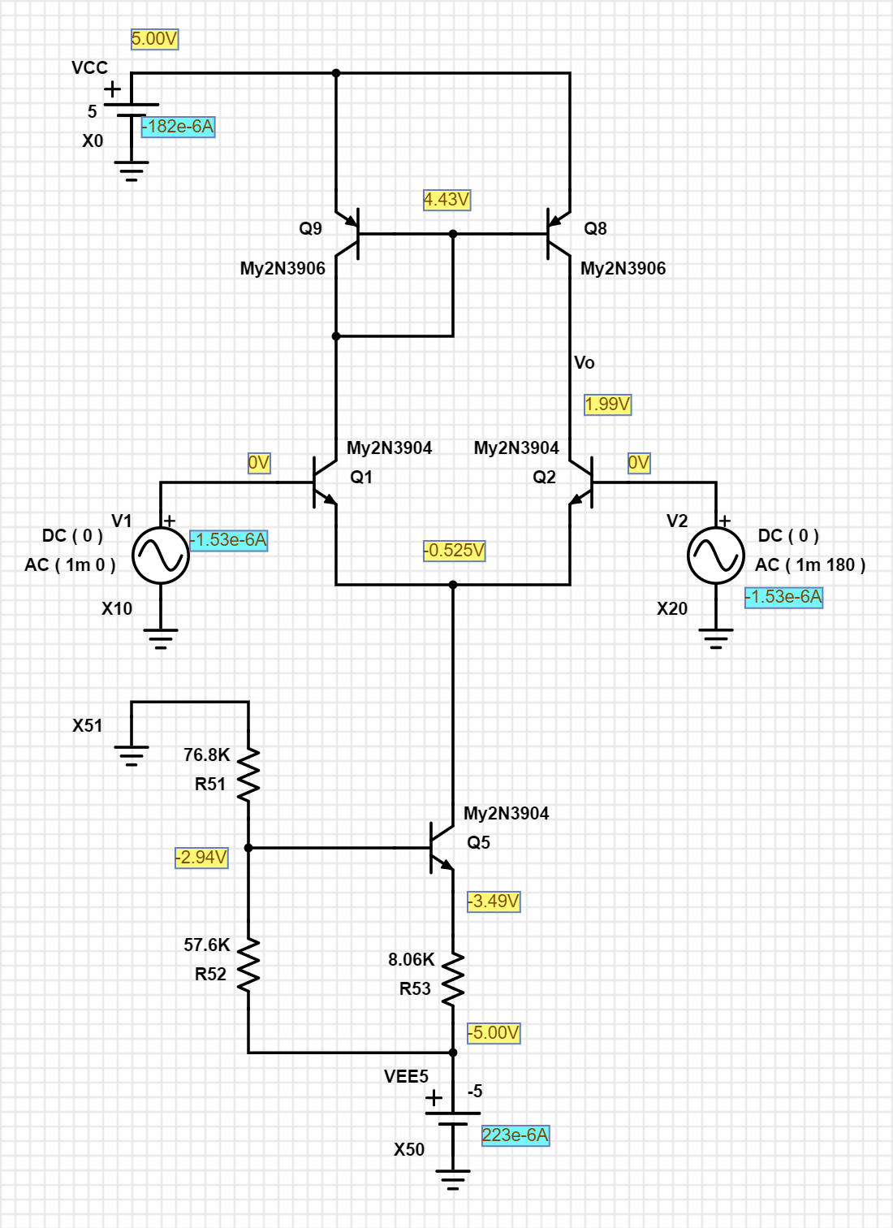
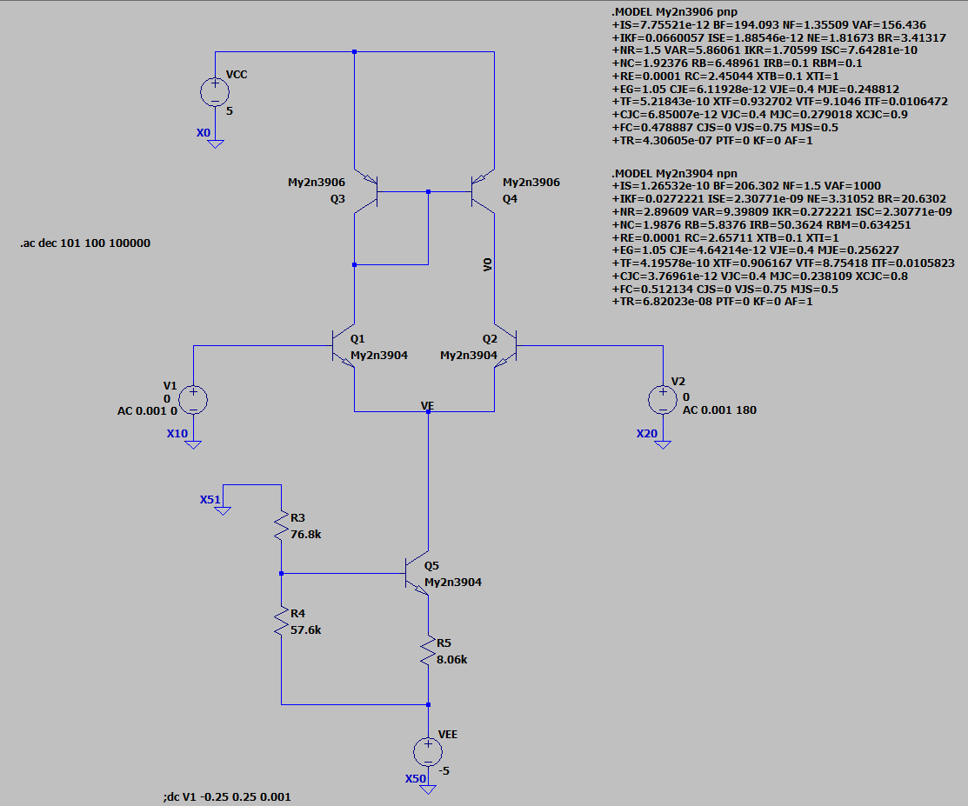
1.02E+02 | 16.094210975 | -5.30E-01 | 78.11
1.05E+02 | 16.094193646 | -5.42E-01 | 78.11
1.07E+02 | 16.094175508 | -5.55E-01 | 78.11
1.10E+02 | 16.094156524 | -5.68E-01 | 78.11
1.12E+02 | 16.094136655 | -5.81E-01 | 78.11
1.15E+02 | 16.094115859 | -5.94E-01 | 78.11
1.17E+02 | 16.094094093 | -6.08E-01 | 78.11
1.20E+02 | 16.094071312 | -6.22E-01 | 78.11
1.23E+02 | 16.094047469 | -6.36E-01 | 78.11
1.26E+02 | 16.094022513 | -6.51E-01 | 78.11
1.29E+02 | 16.093996393 | -6.66E-01 | 78.11
1.31E+02 | 16.093969054 | -6.81E-01 | 78.11
1.34E+02 | 16.093940441 | -6.97E-01 | 78.11
1.38E+02 | 16.093910492 | -7.13E-01 | 78.11
1.41E+02 | 16.093879147 | -7.29E-01 | 78.11
1.44E+02 | 16.09384634 | -7.46E-01 | 78.11
1.47E+02 | 16.093812003 | -7.63E-01 | 78.11
1.51E+02 | 16.093776064 | -7.81E-01 | 78.11
1.54E+02 | 16.093738448 | -7.99E-01 | 78.11
1.58E+02 | 16.093699078 | -8.17E-01 | 78.11
1.61E+02 | 16.093657872 | -8.36E-01 | 78.11
1.65E+02 | 16.093614744 | -8.55E-01 | 78.11
1.69E+02 | 16.093569605 | -8.75E-01 | 78.11
1.73E+02 | 16.09352236 | -8.95E-01 | 78.11
1.77E+02 | 16.093472912 | -9.16E-01 | 78.11
1.81E+02 | 16.093421158 | -9.37E-01 | 78.11
1.85E+02 | 16.093366989 | -9.59E-01 | 78.11
1.89E+02 | 16.093310295 | -9.81E-01 | 78.11
1.94E+02 | 16.093250956 | -1.00E+00 | 78.11
1.98E+02 | 16.09318885 | -1.03E+00 | 78.11
2.03E+02 | 16.093123848 | -1.05E+00 | 78.11
2.07E+02 | 16.093055814 | -1.07E+00 | 78.11
2.12E+02 | 16.092984608 | -1.10E+00 | 78.11
2.17E+02 | 16.092910081 | -1.12E+00 | 78.11
2.22E+02 | 16.092832079 | -1.15E+00 | 78.11
2.27E+02 | 16.092750439 | -1.18E+00 | 78.11
2.32E+02 | 16.092664992 | -1.20E+00 | 78.11
2.38E+02 | 16.092575561 | -1.23E+00 | 78.11
2.43E+02 | 16.09248196 | -1.26E+00 | 78.11
2.49E+02 | 16.092383994 | -1.29E+00 | 78.11
2.55E+02 | 16.092281461 | -1.32E+00 | 78.11
2.61E+02 | 16.092174146 | -1.35E+00 | 78.11
2.67E+02 | 16.092061829 | -1.38E+00 | 78.11
2.73E+02 | 16.091944274 | -1.41E+00 | 78.11
2.79E+02 | 16.091821239 | -1.44E+00 | 78.11
2.85E+02 | 16.091692468 | -1.48E+00 | 78.11
2.92E+02 | 16.091557694 | -1.51E+00 | 78.11 |  |  | PartSim Screenshot of AC Frequency Response Vo
2.99E+02 | 16.091416637 | -1.55E+00 | 78.11
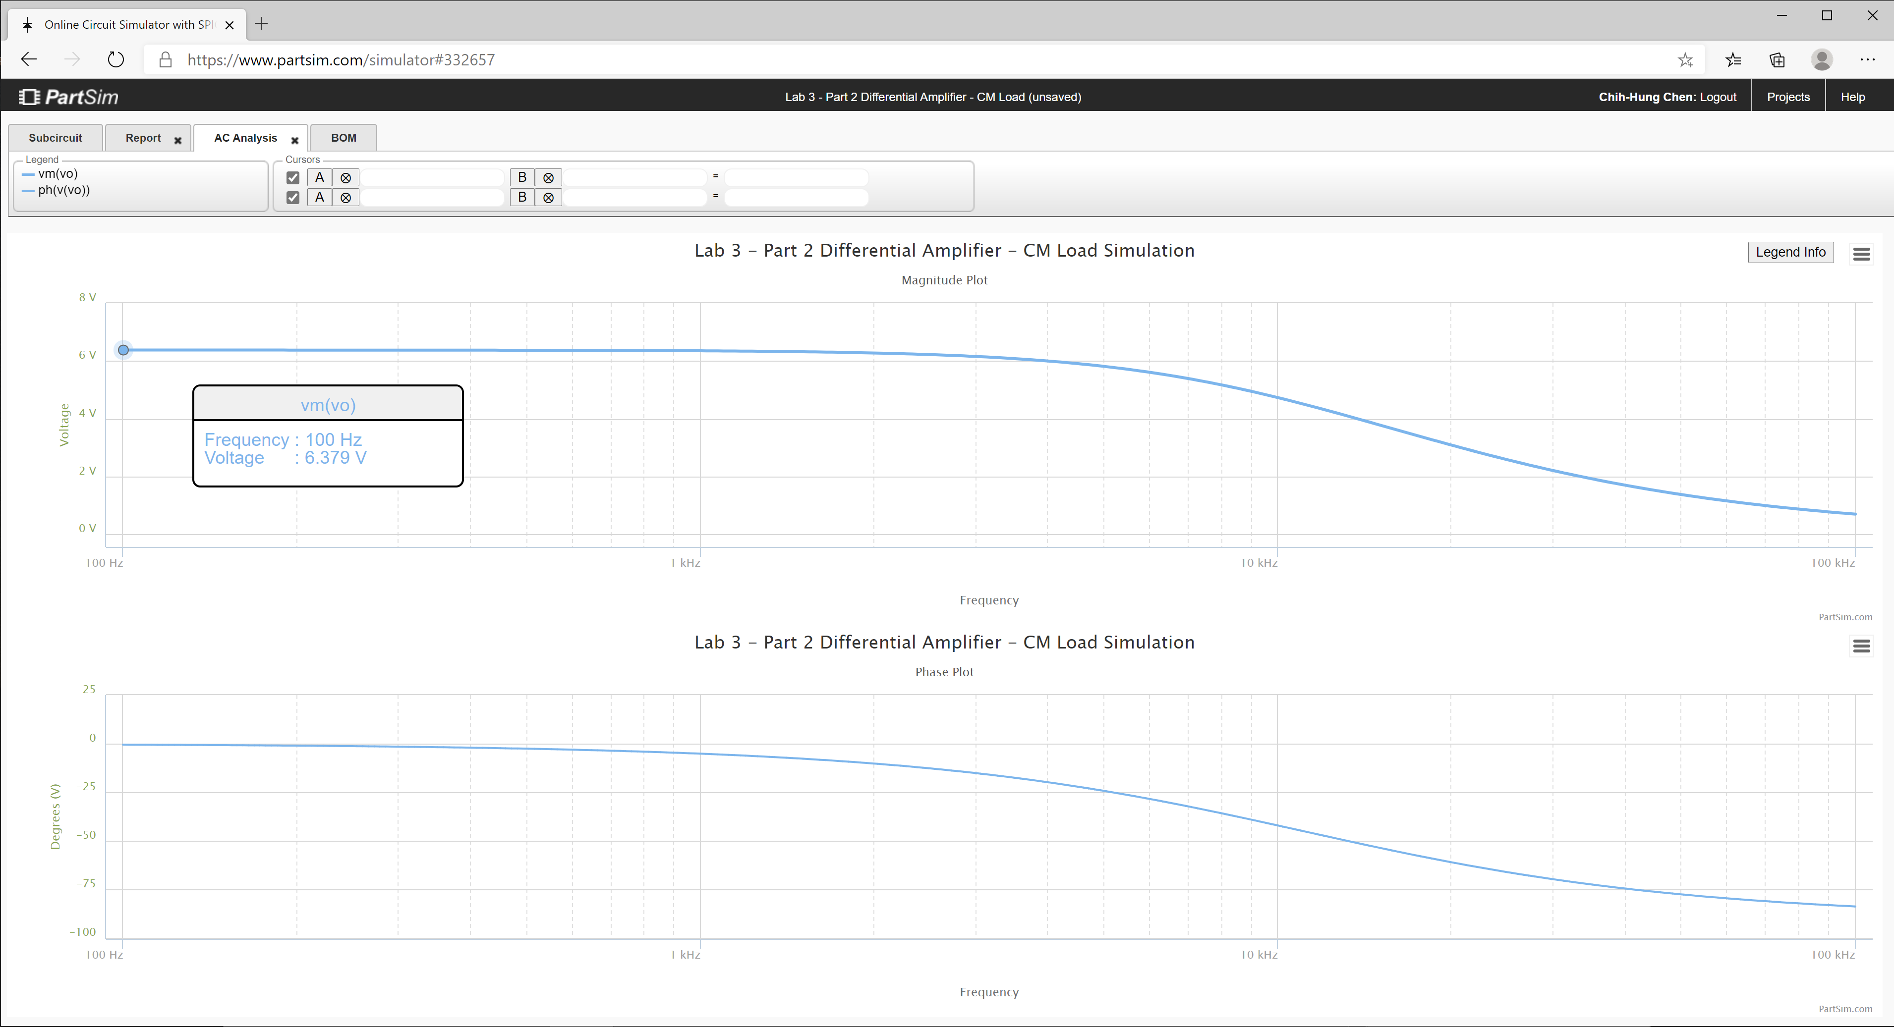
3.06E+02 | 16.091269004 | -1.58E+00 | 78.11
3.13E+02 | 16.091114489 | -1.62E+00 | 78.11
3.20E+02 | 16.090952772 | -1.66E+00 | 78.11
3.27E+02 | 16.090783517 | -1.69E+00 | 78.11
3.35E+02 | 16.090606374 | -1.73E+00 | 78.11
3.42E+02 | 16.090420974 | -1.77E+00 | 78.11
3.50E+02 | 16.090226933 | -1.81E+00 | 78.11
3.58E+02 | 16.090023849 | -1.86E+00 | 78.11
3.67E+02 | 16.089811302 | -1.90E+00 | 78.11
3.75E+02 | 16.089588849 | -1.94E+00 | 78.11
3.84E+02 | 16.089356032 | -1.99E+00 | 78.11
3.93E+02 | 16.089112367 | -2.03E+00 | 78.11
4.02E+02 | 16.088857349 | -2.08E+00 | 78.11
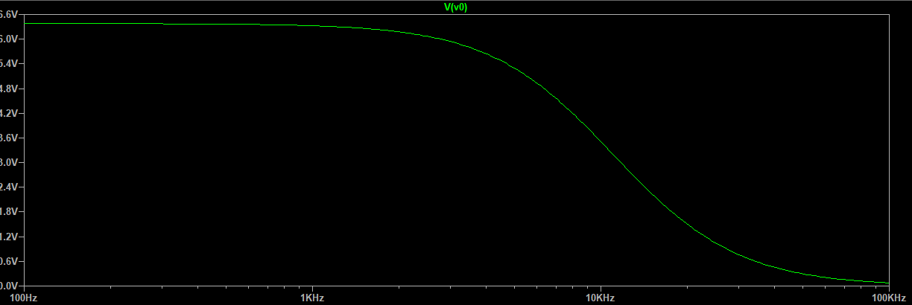
4.11E+02 | 16.08859045 | -2.13E+00 | 78.11
4.20E+02 | 16.088311118 | -2.18E+00 | 78.11
4.30E+02 | 16.088018774 | -2.23E+00 | 78.11
4.40E+02 | 16.087712812 | -2.28E+00 | 78.11
4.50E+02 | 16.0873926 | -2.33E+00 | 78.11
4.61E+02 | 16.087057475 | -2.39E+00 | 78.11
4.71E+02 | 16.086706744 | -2.44E+00 | 78.11
4.82E+02 | 16.086339681 | -2.50E+00 | 78.11
4.93E+02 | 16.085955528 | -2.55E+00 | 78.11
5.05E+02 | 16.085553489 | -2.61E+00 | 78.11
5.16E+02 | 16.085132735 | -2.67E+00 | 78.11
5.28E+02 | 16.084692396 | -2.73E+00 | 78.11
5.40E+02 | 16.084231562 | -2.80E+00 | 78.11
5.53E+02 | 16.083749283 | -2.86E+00 | 78.11
5.66E+02 | 16.083244561 | -2.93E+00 | 78.11
5.79E+02 | 16.082716357 | -2.99E+00 | 78.11
5.92E+02 | 16.08216358 | -3.06E+00 | 78.11
6.06E+02 | 16.081585091 | -3.13E+00 | 78.11
6.20E+02 | 16.080979697 | -3.21E+00 | 78.11
6.34E+02 | 16.080346151 | -3.28E+00 | 78.11
6.48E+02 | 16.079683148 | -3.36E+00 | 78.10
6.63E+02 | 16.078989324 | -3.43E+00 | 78.10
6.79E+02 | 16.078263251 | -3.51E+00 | 78.10
6.94E+02 | 16.077503435 | -3.59E+00 | 78.10
7.10E+02 | 16.076708316 | -3.68E+00 | 78.10
7.27E+02 | 16.075876259 | -3.76E+00 | 78.10
7.44E+02 | 16.075005556 | -3.85E+00 | 78.10
7.61E+02 | 16.074094422 | -3.93E+00 | 78.10
7.78E+02 | 16.073140985 | -4.02E+00 | 78.10
7.96E+02 | 16.072143295 | -4.12E+00 | 78.10
8.15E+02 | 16.071099306 | -4.21E+00 | 78.10
8.33E+02 | 16.070006883 | -4.31E+00 | 78.10
8.52E+02 | 16.068863791 | -4.41E+00 | 78.10
8.72E+02 | 16.067667696 | -4.51E+00 | 78.10
8.92E+02 | 16.066416152 | -4.61E+00 | 78.10
9.13E+02 | 16.065106609 | -4.72E+00 | 78.10
9.34E+02 | 16.063736398 | -4.83E+00 | 78.10
9.55E+02 | 16.062302727 | -4.94E+00 | 78.10
9.77E+02 | 16.06080268 | -5.05E+00 | 78.09
1.00E+03 | 16.05923321 | -5.17E+00 | 78.09
1.02E+03 | 16.057591128 | -5.29E+00 | 78.09
1.05E+03 | 16.055873107 | -5.41E+00 | 78.09
1.07E+03 | 16.054075665 | -5.53E+00 | 78.09
1.10E+03 | 16.052195167 | -5.66E+00 | 78.09
1.12E+03 | 16.050227813 | -5.79E+00 | 78.09
1.15E+03 | 16.048169633 | -5.92E+00 | 78.09
1.17E+03 | 16.046016481 | -6.05E+00 | 78.09
1.20E+03 | 16.043764025 | -6.19E+00 | 78.09
1.23E+03 | 16.04140774 | -6.33E+00 | 78.08
1.26E+03 | 16.038942901 | -6.48E+00 | 78.08
1.29E+03 | 16.036364569 | -6.63E+00 | 78.08
1.31E+03 | 16.033667595 | -6.78E+00 | 78.08
1.34E+03 | 16.030846596 | -6.93E+00 | 78.08
1.38E+03 | 16.027895956 | -7.09E+00 | 78.08
1.41E+03 | 16.02480981 | -7.25E+00 | 78.08
1.44E+03 | 16.021582039 | -7.42E+00 | 78.07
1.47E+03 | 16.018206255 | -7.59E+00 | 78.07
1.51E+03 | 16.014675797 | -7.76E+00 | 78.07
1.54E+03 | 16.010983709 | -7.94E+00 | 78.07
1.58E+03 | 16.007122739 | -8.12E+00 | 78.07
1.61E+03 | 16.003085324 | -8.30E+00 | 78.06
1.65E+03 | 15.998863574 | -8.49E+00 | 78.06
1.69E+03 | 15.994449266 | -8.68E+00 | 78.06
1.73E+03 | 15.989833826 | -8.88E+00 | 78.06
1.77E+03 | 15.985008318 | -9.08E+00 | 78.05
1.81E+03 | 15.97996343 | -9.29E+00 | 78.05
1.85E+03 | 15.974689462 | -9.50E+00 | 78.05
1.89E+03 | 15.969176307 | -9.71E+00 | 78.05
1.94E+03 | 15.963413443 | -9.93E+00 | 78.04
1.98E+03 | 15.957389915 | -1.02E+01 | 78.04
2.03E+03 | 15.951094316 | -1.04E+01 | 78.04
2.07E+03 | 15.94451478 | -1.06E+01 | 78.03
2.12E+03 | 15.937638961 | -1.09E+01 | 78.03
2.17E+03 | 15.930454017 | -1.11E+01 | 78.02
2.22E+03 | 15.922946597 | -1.14E+01 | 78.02
2.27E+03 | 15.915102822 | -1.16E+01 | 78.02
2.32E+03 | 15.906908269 | -1.19E+01 | 78.01
2.38E+03 | 15.898347959 | -1.21E+01 | 78.01
2.43E+03 | 15.889406337 | -1.24E+01 | 78.00
2.49E+03 | 15.880067254 | -1.27E+01 | 78.00
2.55E+03 | 15.870313953 | -1.30E+01 | 77.99
2.61E+03 | 15.860129055 | -1.33E+01 | 77.99
2.67E+03 | 15.84949454 | -1.35E+01 | 77.98
2.73E+03 | 15.838391733 | -1.39E+01 | 77.97
2.79E+03 | 15.826801288 | -1.42E+01 | 77.97
2.85E+03 | 15.814703175 | -1.45E+01 | 77.96
2.92E+03 | 15.802076664 | -1.48E+01 | 77.95
2.99E+03 | 15.788900312 | -1.51E+01 | 77.95
3.06E+03 | 15.775151951 | -1.54E+01 | 77.94
3.13E+03 | 15.760808677 | -1.58E+01 | 77.93
3.20E+03 | 15.745846836 | -1.61E+01 | 77.92
3.27E+03 | 15.73024202 | -1.65E+01 | 77.91
3.35E+03 | 15.713969055 | -1.68E+01 | 77.91
3.42E+03 | 15.697001992 | -1.72E+01 | 77.90
3.50E+03 | 15.679314107 | -1.76E+01 | 77.89
3.58E+03 | 15.660877898 | -1.80E+01 | 77.88
3.67E+03 | 15.641665077 | -1.83E+01 | 77.87
3.75E+03 | 15.621646578 | -1.87E+01 | 77.85
3.84E+03 | 15.600792556 | -1.91E+01 | 77.84
3.93E+03 | 15.579072393 | -1.95E+01 | 77.83
4.02E+03 | 15.556454709 | -2.00E+01 | 77.82
4.11E+03 | 15.532907371 | -2.04E+01 | 77.80
4.20E+03 | 15.508397508 | -2.08E+01 | 77.79
4.30E+03 | 15.482891527 | -2.13E+01 | 77.78
4.40E+03 | 15.456355137 | -2.17E+01 | 77.76
4.50E+03 | 15.428753372 | -2.22E+01 | 77.75
4.61E+03 | 15.400050619 | -2.26E+01 | 77.73
4.71E+03 | 15.370210652 | -2.31E+01 | 77.71
4.82E+03 | 15.339196669 | -2.36E+01 | 77.70
4.93E+03 | 15.30697133 | -2.40E+01 | 77.68
5.05E+03 | 15.273496807 | -2.45E+01 | 77.66
5.16E+03 | 15.23873483 | -2.50E+01 | 77.64
5.28E+03 | 15.202646743 | -2.55E+01 | 77.62
5.40E+03 | 15.165193565 | -2.60E+01 | 77.60
5.53E+03 | 15.12633605 | -2.66E+01 | 77.57
5.66E+03 | 15.086034759 | -2.71E+01 | 77.55
5.79E+03 | 15.044250133 | -2.76E+01 | 77.53
5.92E+03 | 15.000942568 | -2.82E+01 | 77.50
6.06E+03 | 14.956072499 | -2.87E+01 | 77.48
6.20E+03 | 14.909600487 | -2.93E+01 | 77.45
6.34E+03 | 14.861487309 | -2.98E+01 | 77.42
6.48E+03 | 14.81169405 | -3.04E+01 | 77.39
6.63E+03 | 14.760182205 | -3.10E+01 | 77.36
6.79E+03 | 14.706913775 | -3.15E+01 | 77.33
6.94E+03 | 14.651851374 | -3.21E+01 | 77.30
7.10E+03 | 14.594958331 | -3.27E+01 | 77.26
7.27E+03 | 14.536198801 | -3.33E+01 | 77.23
7.44E+03 | 14.475537873 | -3.39E+01 | 77.19
7.61E+03 | 14.412941677 | -3.45E+01 | 77.15
7.78E+03 | 14.348377493 | -3.51E+01 | 77.12
7.96E+03 | 14.281813861 | -3.58E+01 | 77.08
8.15E+03 | 14.213220689 | -3.64E+01 | 77.03
8.33E+03 | 14.142569355 | -3.70E+01 | 76.99
8.52E+03 | 14.06983281 | -3.76E+01 | 76.95
8.72E+03 | 13.994985677 | -3.83E+01 | 76.90
8.92E+03 | 13.918004346 | -3.89E+01 | 76.85
9.13E+03 | 13.838867061 | -3.95E+01 | 76.80
9.34E+03 | 13.757554007 | -4.02E+01 | 76.75
9.55E+03 | 13.674047383 | -4.08E+01 | 76.70
9.77E+03 | 13.588331476 | -4.15E+01 | 76.64
1.00E+04 | 13.500392723 | -4.21E+01 | 76.59
1.02E+04 | 13.410219765 | -4.28E+01 | 76.53
1.05E+04 | 13.317803493 | -4.34E+01 | 76.47
1.07E+04 | 13.223137087 | -4.41E+01 | 76.41
1.10E+04 | 13.126216042 | -4.47E+01 | 76.34
1.12E+04 | 13.027038189 | -4.54E+01 | 76.28
1.15E+04 | 12.925603703 | -4.60E+01 | 76.21
1.17E+04 | 12.821915101 | -4.67E+01 | 76.14
1.20E+04 | 12.715977234 | -4.73E+01 | 76.07
1.23E+04 | 12.607797263 | -4.80E+01 | 75.99
1.26E+04 | 12.497384636 | -4.86E+01 | 75.92
1.29E+04 | 12.384751043 | -4.93E+01 | 75.84
1.31E+04 | 12.269910369 | -4.99E+01 | 75.76
1.34E+04 | 12.152878644 | -5.06E+01 | 75.67
1.38E+04 | 12.033673972 | -5.12E+01 | 75.59
1.41E+04 | 11.912316461 | -5.19E+01 | 75.50
1.44E+04 | 11.78882815 | -5.25E+01 | 75.41
1.47E+04 | 11.663232917 | -5.31E+01 | 75.32
1.51E+04 | 11.535556393 | -5.37E+01 | 75.22
1.54E+04 | 11.405825869 | -5.44E+01 | 75.12
1.58E+04 | 11.27407019 | -5.50E+01 | 75.02
1.61E+04 | 11.140319661 | -5.56E+01 | 74.92
1.65E+04 | 11.004605934 | -5.62E+01 | 74.81
1.69E+04 | 10.866961908 | -5.68E+01 | 74.70
1.73E+04 | 10.727421613 | -5.74E+01 | 74.59
1.77E+04 | 10.586020108 | -5.80E+01 | 74.47
1.81E+04 | 10.442793367 | -5.86E+01 | 74.36
1.85E+04 | 10.297778174 | -5.91E+01 | 74.23
1.89E+04 | 10.151012012 | -5.97E+01 | 74.11
1.94E+04 | 10.002532963 | -6.03E+01 | 73.98
1.98E+04 | 9.852379598 | -6.08E+01 | 73.85
2.03E+04 | 9.7005908842 | -6.14E+01 | 73.72
2.07E+04 | 9.5472060832 | -6.19E+01 | 73.58
2.12E+04 | 9.3922646577 | -6.25E+01 | 73.43
2.17E+04 | 9.2358061838 | -6.30E+01 | 73.29
2.22E+04 | 9.0778702633 | -6.35E+01 | 73.14
2.27E+04 | 8.9184964429 | -6.41E+01 | 72.99
2.32E+04 | 8.7577241372 | -6.46E+01 | 72.83
2.38E+04 | 8.5955925558 | -6.51E+01 | 72.66
2.43E+04 | 8.4321406363 | -6.56E+01 | 72.50
2.49E+04 | 8.2674069802 | -6.61E+01 | 72.33
2.55E+04 | 8.1014297947 | -6.65E+01 | 72.15
2.61E+04 | 7.9342468388 | -6.70E+01 | 71.97
2.67E+04 | 7.7658953742 | -6.75E+01 | 71.78
2.73E+04 | 7.5964121201 | -6.79E+01 | 71.59
2.79E+04 | 7.4258332133 | -6.84E+01 | 71.39
2.85E+04 | 7.2541941719 | -6.88E+01 | 71.19
2.92E+04 | 7.0815298631 | -6.93E+01 | 70.98
2.99E+04 | 6.9078744756 | -6.97E+01 | 70.77
3.06E+04 | 6.7332614954 | -7.01E+01 | 70.54
3.13E+04 | 6.5577236846 | -7.05E+01 | 70.31
3.20E+04 | 6.3812930653 | -7.10E+01 | 70.08
3.27E+04 | 6.2040009047 | -7.14E+01 | 69.83
3.35E+04 | 6.0258777052 | -7.17E+01 | 69.58
3.42E+04 | 5.8469531958 | -7.21E+01 | 69.32
3.50E+04 | 5.6672563271 | -7.25E+01 | 69.05
3.58E+04 | 5.4868152686 | -7.29E+01 | 68.77
3.67E+04 | 5.3056574081 | -7.32E+01 | 68.47
3.75E+04 | 5.1238093533 | -7.36E+01 | 68.17
3.84E+04 | 4.9412969354 | -7.40E+01 | 67.86
3.93E+04 | 4.7581452146 | -7.43E+01 | 67.53
4.02E+04 | 4.5743784867 | -7.46E+01 | 67.19
4.11E+04 | 4.3900202919 | -7.50E+01 | 66.83
4.20E+04 | 4.2050934241 | -7.53E+01 | 66.45
4.30E+04 | 4.0196199421 | -7.56E+01 | 66.06
4.40E+04 | 3.8336211809 | -7.59E+01 | 65.65
4.50E+04 | 3.6471177654 | -7.62E+01 | 65.22
4.61E+04 | 3.4601296227 | -7.65E+01 | 64.76
4.71E+04 | 3.2726759973 | -7.68E+01 | 64.28
4.82E+04 | 3.0847754652 | -7.71E+01 | 63.76
4.93E+04 | 2.8964459496 | -7.74E+01 | 63.22
5.05E+04 | 2.7077047358 | -7.77E+01 | 62.63
5.16E+04 | 2.5185684876 | -7.80E+01 | 62.00
5.28E+04 | 2.3290532634 | -7.82E+01 | 61.32
5.40E+04 | 2.1391745318 | -7.85E+01 | 60.58
5.53E+04 | 1.9489471885 | -7.87E+01 | 59.78
5.66E+04 | 1.7583855724 | -7.90E+01 | 58.88
5.79E+04 | 1.5675034818 | -7.92E+01 | 57.88
5.92E+04 | 1.3763141906 | -7.95E+01 | 56.75
6.06E+04 | 1.1848304645 | -7.97E+01 | 55.45
6.20E+04 | 0.99306457686 | -7.99E+01 | 53.92
6.34E+04 | 0.80102832425 | -8.02E+01 | 52.05
6.48E+04 | 0.60873304241 | -8.04E+01 | 49.67
6.63E+04 | 0.41618962107 | -8.06E+01 | 46.37
6.79E+04 | 0.22340851921 | -8.08E+01 | 40.96
6.94E+04 | 0.030399779654 | -8.10E+01 | 23.64
7.10E+04 | -0.16282695637 | -8.12E+01 | 38.21
7.27E+04 | -0.35626243528 | -8.14E+01 | 45.01
7.44E+04 | -0.54989777728 | -8.16E+01 | 48.79
7.61E+04 | -0.74372446292 | -8.18E+01 | 51.41
7.78E+04 | -0.93773431999 | -8.20E+01 | 53.42
7.96E+04 | -1.1319195108 | -8.22E+01 | 55.06
8.15E+04 | -1.3262725196 | -8.23E+01 | 56.43
8.33E+04 | -1.5207861408 | -8.25E+01 | 57.62
8.52E+04 | -1.7154534671 | -8.27E+01 | 58.67
8.72E+04 | -1.9102678781 | -8.29E+01 | 59.60
8.92E+04 | -2.1052230294 | -8.30E+01 | 60.45
9.13E+04 | -2.3003128417 | -8.32E+01 | 61.22
9.34E+04 | -2.4955314909 | -8.33E+01 | 61.92
9.55E+04 | -2.6908733975 | -8.35E+01 | 62.58
9.77E+04 | -2.8863332176 | -8.36E+01 | 63.19
1.00E+05 | -3.0819058333 | -8.38E+01 | 63.76

Step 3.6
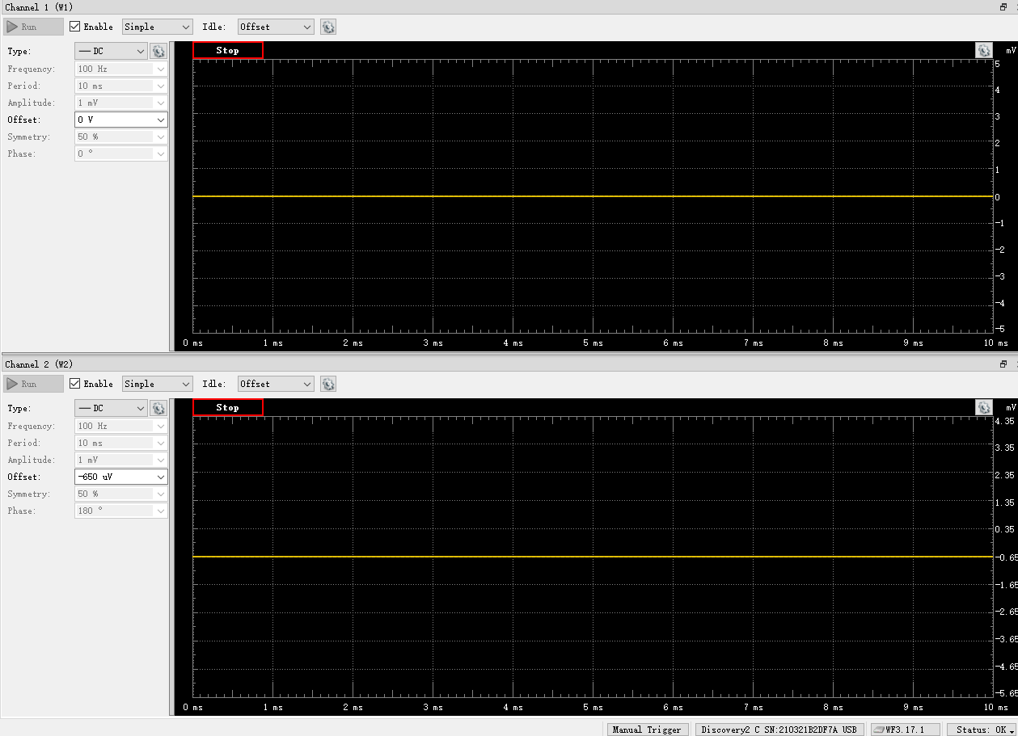
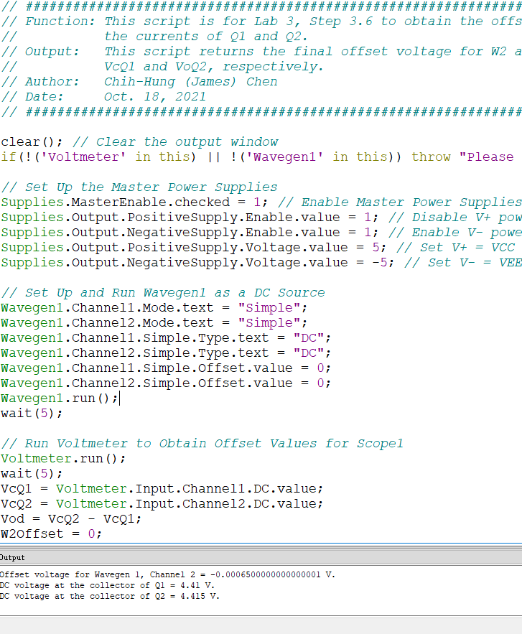
VCC =VE9 = VE8 | VC1 (= VC9 = VB9 = VB8) | Vo (= VC2 = VC8) | VEB9 | VBC8 | W2Offset
Volt | Volt | Volt | Volt | Volt | Volt
5.0 | 4.41 | 4.415 | 0.59 | -0.005 | -0.00065
 |  |  | Q9 is ON if VEB9 > 0.6 | Q8 is in Active Region if VBC8 > -0.4 V

Step 3.8
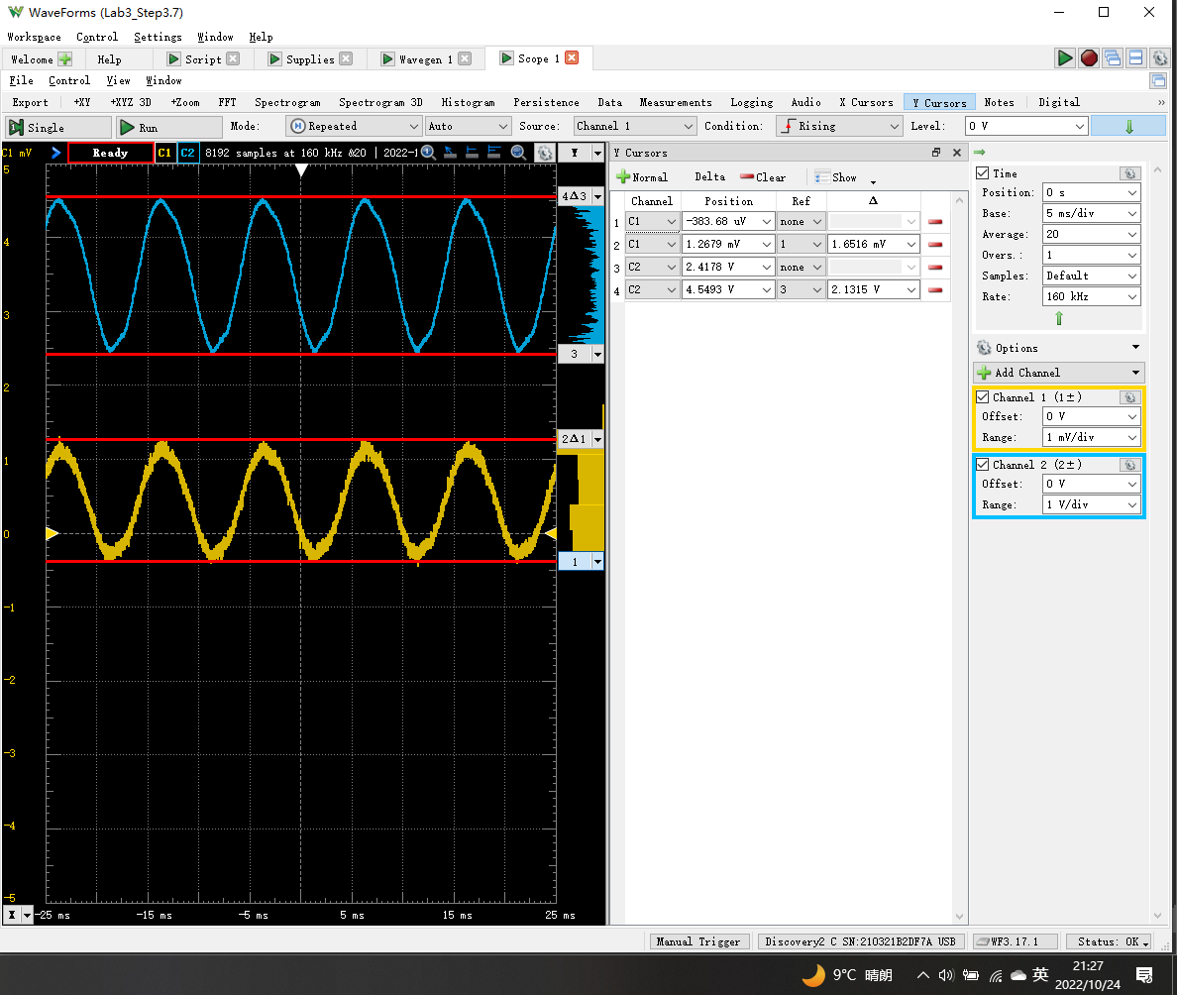
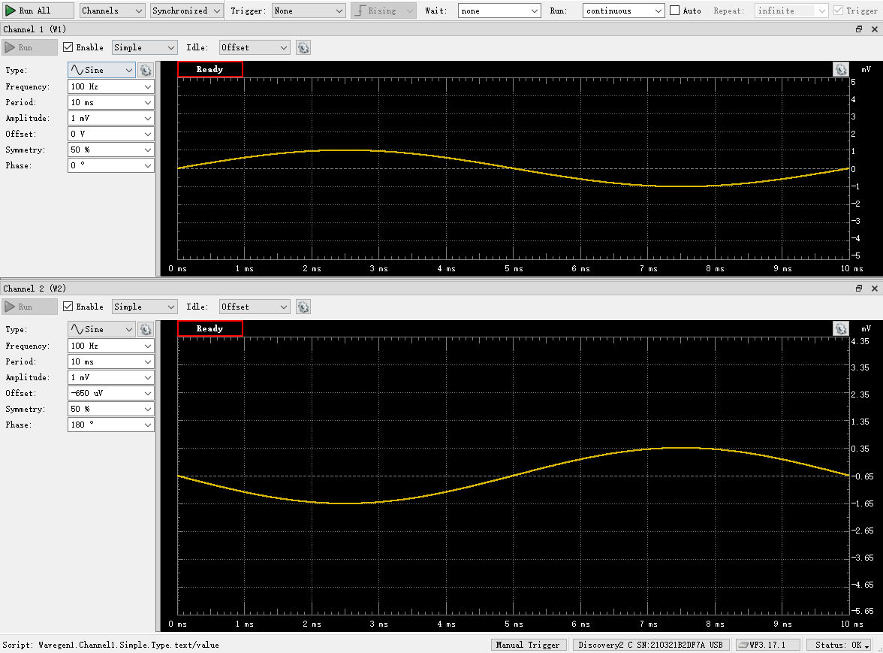
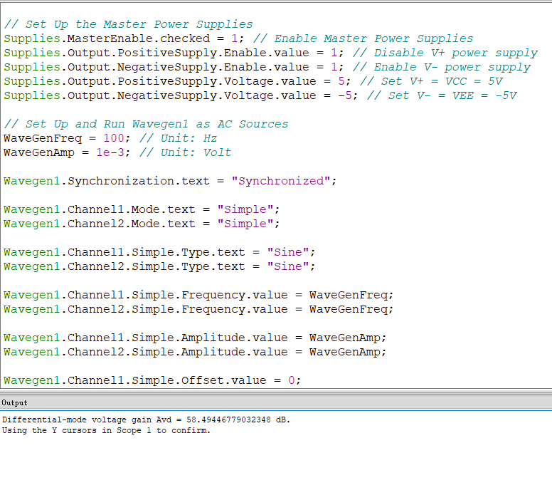
DC1 (V) = Vsig(Peak2Peak) | DC2 (V) = Vo(Peak2Peak) | Differential Voltage Gain Avd of a Single-Stage Differential Amplifier (dB)
1.6516E-03 | 2.1315 | 56.2

Step 3.9
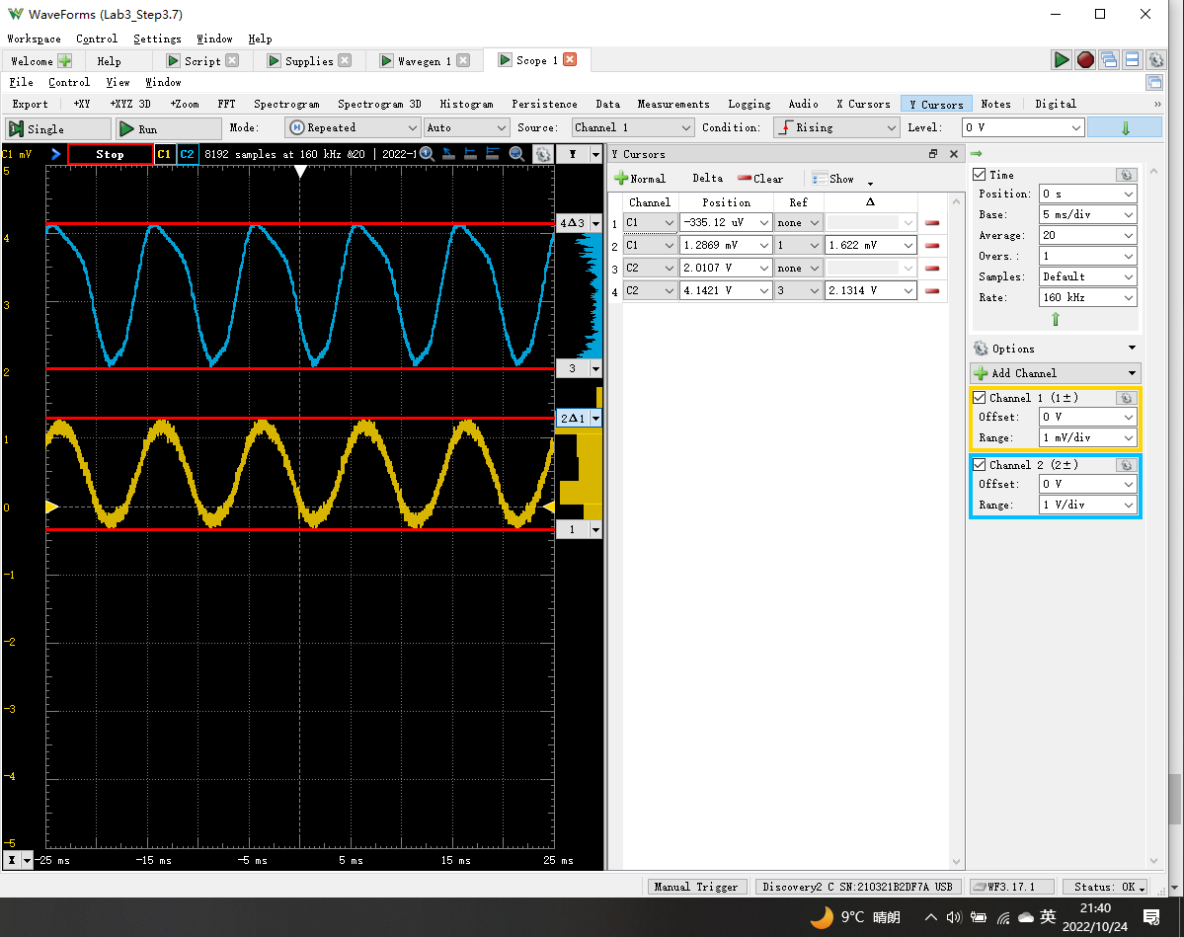
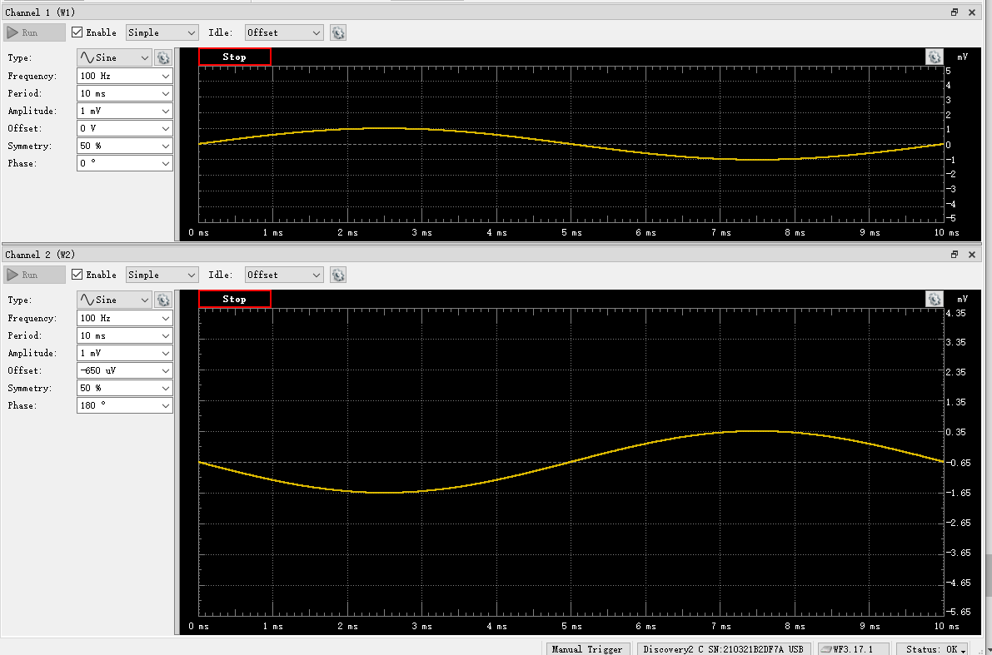
DC1 (V) = Vsig(Peak2Peak) | DC2 (V) = Vo(Peak2Peak) | Differential Voltage Gain Av of a 2-Stage Differential Amplifier(dB)
1.6220E-03 | 2.1314 | 56.4

